MPO Form
Invoice Start: |  | 2025-05-01 |  |  |  | Invoice End: | 2025-05-31

Contract Number: |  | H98230-23-D-0001/0003

CLIN | SLIN | Qty | Units | Unit Price | Description | ACR | Accum Total | Prior ITD Bill | Current ITD Bill | Funding | Remaining Funding | TYPE | InvoiceStartDate
2001 | AA | 0 | NE | 0.00 | TTO 2001 LABOR | AF | $0.00 | $55,923.77 | $55,923.77 | $55,923.77 | $- | LABOR | 2025-05-01
2001 | AA | 0 | NE | 0.00 | TTO 2001 AWARD FEE | AF | $0.00 | $- | $- | $69,961.08 | $69,961.08 | AWARD FEE | 2025-05-01
2001 | AB | 0 | NE | 0.00 | TTO 2001 LABOR | AG | $0.00 | $182,217.97 | $182,217.97 | $182,217.97 | $- | LABOR | 2025-05-01
2001 | AC | 0 | NE | 0.00 | TTO 2001 LABOR | AH | $0.00 | $155,220.62 | $155,220.62 | $155,220.62 | $- | LABOR | 2025-05-01
2001 | AD | 0 | NE | 0.00 | TTO 2001 LABOR | AJ | $0.00 | $84,485.00 | $84,485.00 | $84,485.00 | $- | LABOR | 2025-05-01
2001 | AE | 0 | NE | 0.00 | TTO 2001 LABOR | AK | $0.00 | $3,283.18 | $3,283.18 | $3,283.18 | $- | LABOR | 2025-05-01
2001 | AF | 0 | NE | 0.00 | TTO 2001 LABOR | AL | $0.00 | $19,699.04 | $19,699.04 | $19,699.04 | $- | LABOR | 2025-05-01
2001 | AG | 0 | NE | 0.00 | TTO 2001 LABOR | AM | $0.00 | $28,454.17 | $28,454.17 | $28,454.17 | $- | LABOR | 2025-05-01
2001 | AH | 0 | NE | 0.00 | TTO 2001 AWARD FEE | AN | $0.00 | $- | $- | $10,163.47 | $10,163.47 | AWARD FEE | 2025-05-01
2001 | AJ | 0 | NE | 0.00 | TTO 2001 LABOR | AN | $0.00 | $- | $- | $6,928.54 | $6,928.54 | LABOR | 2025-05-01
2001 | AK | 0 | NE | 0.00 | TTO 2001 LABOR | AP | $0.00 | $17,654.91 | $17,654.91 | $17,654.91 | $- | LABOR | 2025-05-01
2001 | AL | 0 | NE | 0.00 | TTO 2001 LABOR | AQ | $0.00 | $- | $- | $8,755.13 | $8,755.13 | LABOR | 2025-05-01
2001 | AM | 0 | NE | 0.00 | TTO 2001 LABOR | AR | $0.00 | $105,061.56 | $105,061.56 | $105,061.56 | $- | LABOR | 2025-05-01
2001 | AN | 0 | NE | 0.00 | TTO 2001 LABOR | CU | $0.00 | $154,935.25 | $154,935.25 | $154,935.25 | $- | LABOR | 2025-05-01
2001 | AP | 0 | NE | 0.00 | TTO 2001 LABOR | CV | $0.00 | $87,151.00 | $87,151.00 | $87,151.00 | $- | LABOR | 2025-05-01
2001 | AQ | 0 | NE | 0.00 | TTO 2001 LABOR | CW | $0.00 | $84,716.11 | $84,716.11 | $84,716.11 | $- | LABOR | 2025-05-01
2001 | AQ | 0 | NE | 0.00 | TTO 2001 TRAVEL | CW | $0.00 | $- | $- | $15,000.00 | $15,000.00 | TRAVEL | 2025-05-01
2001 | AQ | 0 | NE | 0.00 | TTO 2001 AWARD FEE | CW | $0.00 | $- | $- | $190,787.89 | $190,787.89 | AWARD FEE | 2025-05-01
2001 | AR | 0 | NE | 0.00 | TTO 2001 LABOR | CX | $0.00 | $208,345.00 | $208,345.00 | $208,345.00 | $- | LABOR | 2025-05-01
2001 | AS | 0 | NE | 0.00 | TTO 2001 LABOR | CY | $0.00 | $64,556.33 | $64,556.33 | $64,556.33 | $- | LABOR | 2025-05-01
2001 | AT | 0 | NE | 0.00 | TTO 2001 LABOR | AL | $0.00 | $31,444.97 | $31,444.97 | $31,444.97 | $- | LABOR | 2025-05-01
2001 | AU | 0 | NE | 0.00 | TTO 2001 LABOR | AK | $0.00 | $5,240.83 | $5,240.83 | $5,240.83 | $- | LABOR | 2025-05-01
2001 | AV | 0 | NE | 0.00 | TTO 2001 LABOR | AM | $0.00 | $45,420.51 | $45,420.51 | $45,420.51 | $- | LABOR | 2025-05-01
2001 | AW | 0 | NE | 0.00 | TTO 2001 LABOR | CZ | $0.00 | $33,322.24 | $33,322.24 | $33,322.24 | $- | LABOR | 2025-05-01
2001 | AX | 0 | NE | 0.00 | TTO 2001 LABOR | DA | $0.00 | $61,206.40 | $61,206.40 | $61,206.40 | $- | LABOR | 2025-05-01
2001 | AY | 0 | NE | 0.00 | TTO 2001 LABOR | DA | $0.00 | $103,924.07 | $103,924.07 | $103,924.07 | $- | LABOR | 2025-05-01
2001 | AZ | 0 | NE | 0.00 | TTO 2001 LABOR | AQ | $0.00 | $13,975.54 | $13,975.54 | $13,975.54 | $- | LABOR | 2025-05-01
2001 | BA | 0 | NE | 0.00 | TTO 2001 LABOR | AN | $0.00 | $11,059.81 | $11,059.81 | $11,059.81 | $- | LABOR | 2025-05-01
2001 | BB | 0 | NE | 0.00 | TTO 2001 LABOR | AP | $0.00 | $44,405.63 | $44,405.63 | $44,405.63 | $- | LABOR | 2025-05-01
2001 | BC | 0 | NE | 0.00 | TTO 2001 LABOR | DB | $0.00 | $251,770.00 | $251,770.00 | $251,770.00 | $- | LABOR | 2025-05-01
2001 | BD | 0 | NE | 0.00 | TTO 2001 LABOR | DC | $0.00 | $145,252.00 | $145,252.00 | $145,252.00 | $- | LABOR | 2025-05-01
2001 | BE | 0 | NE | 0.00 | TTO 2001 LABOR | DD | $0.00 | $19,367.00 | $19,367.00 | $19,367.00 | $- | LABOR | 2025-05-01
2001 | BF | 0 | NE | 0.00 | TTO 2001 LABOR | DE | $0.00 | $58,101.00 | $58,101.00 | $58,101.00 | $- | LABOR | 2025-05-01
2001 | BG | 0 | NE | 0.00 | TTO 2001 LABOR | DF | $0.00 | $58,100.00 | $58,100.00 | $58,100.00 | $- | LABOR | 2025-05-01
2001 | BH | 0 | NE | 0.00 | TTO 2001 LABOR | DG | $0.00 | $38,734.00 | $38,734.00 | $38,734.00 | $- | LABOR | 2025-05-01
2001 | BJ | 0 | NE | 0.00 | TTO 2001 LABOR | HF | $0.00 | $200,000.00 | $200,000.00 | $200,000.00 | $- | LABOR | 2025-05-01
2001 | BK | 0 | NE | 0.00 | TTO 2001 LABOR | HG | $0.00 | $20,000.00 | $20,000.00 | $20,000.00 | $- | LABOR | 2025-05-01
2001 | BL | 0 | NE | 0.00 | TTO 2001 LABOR | HH | $0.00 | $26,000.00 | $26,000.00 | $26,000.00 | $- | LABOR | 2025-05-01
2001 | BM | 0 | NE | 0.00 | TTO 2001 LABOR | HJ | $0.00 | $80,000.00 | $80,000.00 | $80,000.00 | $- | LABOR | 2025-05-01
2001 | BN | 0 | NE | 0.00 | TTO 2001 LABOR | HK | $0.00 | $18,000.00 | $18,000.00 | $18,000.00 | $- | LABOR | 2025-05-01
2001 | BP | 0 | NE | 0.00 | TTO 2001 LABOR | HL | $0.00 | $52,000.00 | $52,000.00 | $52,000.00 | $- | LABOR | 2025-05-01
2001 | BQ | 0 | NE | 0.00 | TTO 2001 LABOR | HM | $0.00 | $51,515.00 | $51,515.00 | $51,515.00 | $- | LABOR | 2025-05-01
2001 | BR | 0 | NE | 0.00 | TTO 2001 LABOR | HN | $0.00 | $18,000.00 | $18,000.00 | $18,000.00 | $- | LABOR | 2025-05-01
2001 | BS | 0 | NE | 0.00 | TTO 2001 LABOR | HP | $0.00 | $2,829.09 | $2,829.09 | $2,829.09 | $- | LABOR | 2025-05-01
2001 | BS | 0 | NE | 0.00 | TTO 2001 AWARD FEE | HP | $0.00 | $- | $- | $56,170.91 | $56,170.91 | AWARD FEE | 2025-05-01
2001 | BT | 0 | NE | 0.00 | TTO 2001 LABOR | JZ | $0.00 | $233,101.58 | $233,101.58 | $233,101.58 | $- | LABOR | 2025-05-01
2001 | BT | 0 | NE | 0.00 | TTO 2001 AWARD FEE | JZ | $0.00 | $- | $- | $154,236.42 | $154,236.42 | AWARD FEE | 2025-05-01
2001 | BU | 0 | NE | 0.00 | TTO 2001 LABOR | KA | $0.00 | $552,712.00 | $552,712.00 | $552,712.00 | $- | LABOR | 2025-05-01
2001 | BV | 0 | NE | 0.00 | TTO 2001 LABOR | KB | $0.00 | $178,837.15 | $178,837.15 | $178,837.15 | $- | LABOR | 2025-05-01
2001 | BW | 0 | NE | 0.00 | TTO 2001 LABOR | KC | $0.00 | $121,162.85 | $121,162.85 | $121,162.85 | $- | LABOR | 2025-05-01
2001 | BX | 0 | NE | 0.00 | TTO 2001 LABOR | AL | $0.00 | $8,285.12 | $8,285.12 | $8,285.12 | $- | LABOR | 2025-05-01
2001 | BY | 0 | NE | 0.00 | TTO 2001 LABOR | KD | $0.00 | $- | $- | $9,683.44 | $9,683.44 | LABOR | 2025-05-01
2001 | BZ | 0 | NE | 0.00 | TTO 2001 LABOR | KE | $0.00 | $7,986.02 | $7,986.02 | $7,986.02 | $- | LABOR | 2025-05-01
2001 | CA | 0 | NE | 0.00 | TTO 2001 LABOR | AK | $0.00 | $2,994.76 | $2,994.76 | $2,994.76 | $- | LABOR | 2025-05-01
2001 | CB | 0 | NE | 0.00 | TTO 2001 LABOR | KF | $0.00 | $- | $- | $31,694.53 | $31,694.53 | LABOR | 2025-05-01
2001 | CC | 0 | NE | 0.00 | TTO 2001 LABOR | KG | $0.00 | $64,578.84 | $64,578.84 | $64,578.84 | $- | LABOR | 2025-05-01
2001 | CD | 0 | NE | 0.00 | TTO 2001 LABOR | KH | $0.00 | $48,822.71 | $48,822.71 | $48,822.71 | $- | LABOR | 2025-05-01
2001 | CE | 0 | NE | 0.00 | TTO 2001 LABOR | KJ | $0.00 | $25,954.58 | $25,954.58 | $25,954.58 | $- | LABOR | 2025-05-01
2001 | CF | 0 | NE | 0.00 | TTO 2001 LABOR | LY | $0.00 | $29,050.00 | $29,050.00 | $29,050.00 | $- | LABOR | 2025-05-01
2001 | CG | 1.0 | NE | 75413.69 | TTO 2001 LABOR | LZ | $75,413.69 | $59,908.26 | $135,321.95 | $135,321.95 | $- | LABOR | 2025-05-01
2001 | CG | 0 | NE | 0.00 | TTO 2001 AWARD FEE | LZ | $0.00 | $- | $- | $19,613.30 | $19,613.30 | AWARD FEE | 2025-05-01
2001 | CH | 1.0 | NE | 45604.26 | TTO 2001 LABOR | AL | $45,604.26 | $- | $45,604.26 | $45,604.26 | $- | LABOR | 2025-05-01
2001 | CJ | 0 | NE | 0.00 | TTO 2001 LABOR | ME | $0.00 | $- | $- | $233,534.01 | $233,534.01 | LABOR | 2025-05-01
2001 | CK | 1.0 | NE | 54279.51 | TTO 2001 LABOR | MF | $54,279.51 | $- | $54,279.51 | $54,279.51 | $- | LABOR | 2025-05-01
2001 | CL | 1.0 | NE | 40871.99 | TTO 2001 LABOR | AP | $40,871.99 | $- | $40,871.99 | $40,871.99 | $- | LABOR | 2025-05-01
2001 | CM | 1.0 | NE | 7600.71 | TTO 2001 LABOR | AK | $7,600.71 | $- | $7,600.71 | $7,600.71 | $- | LABOR | 2025-05-01
2001 | CN | 0 | NE | 0.00 | TTO 2001 LABOR | AQ | $0.00 | $- | $- | $20,268.56 | $20,268.56 | LABOR | 2025-05-01
2001 | CP | 0 | NE | 0.00 | TTO 2001 LABOR | KF | $0.00 | $- | $- | $23,528.95 | $23,528.95 | LABOR | 2025-05-01
2001 | CQ | 0 | NE | 0.00 | TTO 2001 LABOR | AN | $0.00 | $- | $- | $16,039.90 | $16,039.90 | LABOR | 2025-05-01
2001 | CR | 1.0 | NE | 58272.11 | TTO 2001 LABOR | MG | $58,272.11 | $- | $58,272.11 | $58,272.11 | $- | LABOR | 2025-05-01
2001 | CS | 0 | NE | 0.00 | TTO 2001 LABOR | MH | $0.00 | $- | $- | $58,100.00 | $58,100.00 | LABOR | 2025-05-01
2001 | CT | 1.0 | NE | 375438.25 | TTO 2001 LABOR | KC | $375,438.25 | $- | $375,438.25 | $580,005.07 | $204,566.82 | LABOR | 2025-05-01
2001 | CT | 0 | NE | 0.00 | TTO 2001 AWARD FEE | KC | $0.00 | $- | $- | $266,141.93 | $266,141.93 | AWARD FEE | 2025-05-01
2001 | CU | 0 | NE | 0.00 | TTO 2001 LABOR | KB | $0.00 | $- | $- | $95,753.00 | $95,753.00 | LABOR | 2025-05-01
2001 | CV | 0 | NE | 0.00 | TTO 2001 LABOR | MJ | $0.00 | $- | $- | $30,000.00 | $30,000.00 | LABOR | 2025-05-01
2001 | CW | 0 | NE | 0.00 | TTO 2001 LABOR | MK | $0.00 | $- | $- | $36,889.33 | $36,889.33 | LABOR | 2025-05-01
2001 | CX | 0 | NE | 0.00 | TTO 2001 LABOR | ML | $0.00 | $- | $- | $80,000.00 | $80,000.00 | LABOR | 2025-05-01
2001 | CY | 0 | NE | 0.00 | TTO 2001 LABOR | MM | $0.00 | $- | $- | $41,800.00 | $41,800.00 | LABOR | 2025-05-01
2001 | CZ | 0 | NE | 0.00 | TTO 2001 LABOR | MN | $0.00 | $- | $- | $327,396.74 | $327,396.74 | LABOR | 2025-05-01
2001 | DA | 0 | NE | 0.00 | TTO 2001 LABOR | MP | $0.00 | $- | $- | $23,712.32 | $23,712.32 | LABOR | 2025-05-01
2001 | DB | 0 | NE | 0.00 | TTO 2001 LABOR | MQ | $0.00 | $- | $- | $11,856.17 | $11,856.17 | LABOR | 2025-05-01
2001 | DC | 0 | NE | 0.00 | TTO 2001 LABOR | MR | $0.00 | $- | $- | $11,856.17 | $11,856.17 | LABOR | 2025-05-01
2001 | DD | 0 | NE | 0.00 | TTO 2001 LABOR | MS | $0.00 | $- | $- | $26,000.00 | $26,000.00 | LABOR | 2025-05-01
2001 | DE | 0 | NE | 0.00 | TTO 2001 LABOR | MT | $0.00 | $- | $- | $11,856.17 | $11,856.17 | LABOR | 2025-05-01
2001 | DF | 0 | NE | 0.00 | TTO 2001 LABOR | MU | $0.00 | $- | $- | $146,807.64 | $146,807.64 | LABOR | 2025-05-01
2001 | DG | 0 | NE | 0.00 | TTO 2001 LABOR | MV | $0.00 | $- | $- | $174,302.00 | $174,302.00 | LABOR | 2025-05-01
2001 | DH | 0 | NE | 0.00 | TTO 2001 LABOR | MW | $0.00 | $- | $- | $11,856.17 | $11,856.17 | LABOR | 2025-05-01
2001 | DJ | 0 | NE | 0.00 | TTO 2001 LABOR | MX | $0.00 | $- | $- | $50,000.00 | $50,000.00 | LABOR | 2025-05-01
2003 | AA | 0 | NE | 0.00 | TTO 2003 LABOR | CT | $0.00 | $76,597.15 | $76,597.15 | $76,597.15 | $- | LABOR | 2025-05-01
2003 | AA | 0 | NE | 0.00 | TTO 2003 TRAVEL | CT | $0.00 | $- | $- | $1,500.00 | $1,500.00 | TRAVEL | 2025-05-01
2003 | AA | 0 | NE | 0.00 | TTO 2003 AWARD FEE | CT | $0.00 | $- | $- | $9,194.61 | $9,194.61 | AWARD FEE | 2025-05-01
2003 | AB | 0 | NE | 0.00 | TTO 2003 LABOR | DH | $0.00 | $832,781.34 | $832,781.34 | $832,781.34 | $- | LABOR | 2025-05-01
2003 | AB | 0 | NE | 0.00 | TTO 2003 TRAVEL | DH | $0.00 | $- | $- | $300.00 | $300.00 | TRAVEL | 2025-05-01
2003 | AB | 0 | NE | 0.00 | TTO 2003 AWARD FEE | DH | $0.00 | $- | $- | $99,977.72 | $99,977.72 | AWARD FEE | 2025-05-01
2003 | AC | 0 | NE | 0.00 | TTO 2003 LABOR | HQ | $0.00 | $291,676.42 | $291,676.42 | $291,676.42 | $- | LABOR | 2025-05-01
2003 | AC | 0 | NE | 0.00 | TTO 2003 AWARD FEE | HQ | $0.00 | $- | $- | $34,791.75 | $34,791.75 | AWARD FEE | 2025-05-01
2003 | AD | 0 | NE | 0.00 | TTO 2003 LABOR | CT | $0.00 | $627,190.48 | $627,190.48 | $627,190.48 | $- | LABOR | 2025-05-01
2003 | AD | 0 | NE | 0.00 | TTO 2003 AWARD FEE | CT | $0.00 | $- | $- | $75,260.55 | $75,260.55 | AWARD FEE | 2025-05-01
2003 | AE | 1.0 | NE | 97216.80 | TTO 2003 LABOR | CT | $97,216.80 | $30,601.30 | $127,818.10 | $127,818.10 | $- | LABOR | 2025-05-01
2003 | AE | 0 | NE | 0.00 | TTO 2003 AWARD FEE | CT | $0.00 | $- | $- | $15,348.30 | $15,348.30 | AWARD FEE | 2025-05-01
2003 | AF | 0 | NE | 0.00 | TTO 2003 LABOR | NR | $0.00 | $- | $- | $849,928.47 | $849,928.47 | LABOR | 2025-05-01
2003 | AF | 0 | NE | 0.00 | TTO 2003 AWARD FEE | NR | $0.00 | $- | $- | $150,071.53 | $150,071.53 | AWARD FEE | 2025-05-01
2003 | AG | 1.0 | NE | 158347.60 | TTO 2003 LABOR | CT | $158,347.60 | $- | $158,347.60 | $194,115.20 | $35,767.60 | LABOR | 2025-05-01
2003 | AH | 0 | NE | 0.00 | TTO 2003 LABOR | DH | $0.00 | $- | $- | $226,172.05 | $226,172.05 | LABOR | 2025-05-01
2004 | AA | 0 | NE | 0.00 | TTO 2004 LABOR | DJ | $0.00 | $175,967.69 | $175,967.69 | $175,967.69 | $- | LABOR | 2025-05-01
2004 | AA | 0 | NE | 0.00 | TTO 2004 AWARD FEE | DJ | $0.00 | $- | $- | $21,111.85 | $21,111.85 | AWARD FEE | 2025-05-01
2004 | AB | 0 | NE | 0.00 | TTO 2004 LABOR | HR | $0.00 | $296,193.08 | $296,193.08 | $377,926.56 | $81,733.48 | LABOR | 2025-05-01
2004 | AC | 0 | NE | 0.00 | TTO 2004 LABOR | DJ | $0.00 | $113,665.17 | $113,665.17 | $113,665.17 | $- | LABOR | 2025-05-01
2004 | AC | 0 | NE | 0.00 | TTO 2004 AWARD FEE | DJ | $0.00 | $- | $- | $58,813.96 | $58,813.96 | AWARD FEE | 2025-05-01
2004 | AD | 0 | NE | 0.00 | TTO 2004 LABOR | DJ | $0.00 | $81,619.30 | $81,619.30 | $81,619.30 | $- | LABOR | 2025-05-01
2004 | AD | 0 | NE | 0.00 | TTO 2004 AWARD FEE | DJ | $0.00 | $- | $- | $9,839.35 | $9,839.35 | AWARD FEE | 2025-05-01
2004 | AE | 0 | NE | 0.00 | TTO 2004 LABOR | DJ | $0.00 | $194,807.48 | $194,807.48 | $194,807.48 | $- | LABOR | 2025-05-01
2004 | AE | 0 | NE | 0.00 | TTO 2004 AWARD FEE | DJ | $0.00 | $- | $- | $23,341.10 | $23,341.10 | AWARD FEE | 2025-05-01
2004 | AF | 1.0 | NE | 122432.10 | TTO 2004 LABOR | DJ | $122,432.10 | $- | $122,432.10 | $244,918.37 | $122,486.27 | LABOR | 2025-05-01
2004 | AF | 0 | NE | 0.00 | TTO 2004 AWARD FEE | DJ | $0.00 | $- | $- | $32,380.63 | $32,380.63 | AWARD FEE | 2025-05-01
2005 | AA | 0 | NE | 0.00 | TTO 2005 LABOR | DK | $0.00 | $566,202.87 | $566,202.87 | $566,202.87 | $- | LABOR | 2025-05-01
2005 | AB | 0 | NE | 0.00 | TTO 2005 LABOR | DL | $0.00 | $61,175.31 | $61,175.31 | $61,175.31 | $- | LABOR | 2025-05-01
2005 | AB | 0 | NE | 0.00 | TTO 2005 AWARD FEE | DL | $0.00 | $- | $- | $75,303.33 | $75,303.33 | AWARD FEE | 2025-05-01
2005 | AC | 0 | NE | 0.00 | TTO 2005 LABOR | HB | $0.00 | $290,190.92 | $290,190.92 | $290,190.92 | $- | LABOR | 2025-05-01
2005 | AC | 0 | NE | 0.00 | TTO 2005 AWARD FEE | HB | $0.00 | $- | $- | $34,809.08 | $34,809.08 | AWARD FEE | 2025-05-01
2005 | AD | 0 | NE | 0.00 | TTO 2005 LABOR | HS | $0.00 | $39,322.89 | $39,322.89 | $39,322.89 | $- | LABOR | 2025-05-01
2005 | AE | 0 | NE | 0.00 | TTO 2005 LABOR | HT | $0.00 | $398,546.66 | $398,546.66 | $398,546.66 | $- | LABOR | 2025-05-01
2005 | AE | 0 | NE | 0.00 | TTO 2005 AWARD FEE | HT | $0.00 | $- | $- | $52,585.85 | $52,585.85 | AWARD FEE | 2025-05-01
2005 | AF | 0 | NE | 0.00 | TTO 2005 LABOR | KK | $0.00 | $168,075.93 | $168,075.93 | $168,075.93 | $- | LABOR | 2025-05-01
2005 | AG | 0 | NE | 0.00 | TTO 2005 LABOR | KL | $0.00 | $155,803.35 | $155,803.35 | $155,803.35 | $- | LABOR | 2025-05-01
2005 | AG | 0 | NE | 0.00 | TTO 2005 AWARD FEE | KL | $0.00 | $- | $- | $127,968.24 | $127,968.24 | AWARD FEE | 2025-05-01
2005 | AH | 0 | NE | 0.00 | TTO 2005 LABOR | KM | $0.00 | $193,680.10 | $193,680.10 | $193,680.10 | $- | LABOR | 2025-05-01
2005 | AJ | 1.0 | NE | 1704.56 | TTO 2005 LABOR | KN | $1,704.56 | $123,350.63 | $125,055.19 | $125,055.19 | $- | LABOR | 2025-05-01
2005 | AK | 1.0 | NE | 298867.49 | TTO 2005 LABOR | HT | $298,867.49 | $- | $298,867.49 | $298,867.49 | $- | LABOR | 2025-05-01
2005 | AL | 1.0 | NE | 113889.24 | TTO 2005 LABOR | KP | $113,889.24 | $- | $113,889.24 | $125,055.19 | $11,165.95 | LABOR | 2025-05-01
2005 | AM | 0 | NE | 0.00 | TTO 2005 LABOR | KP | $0.00 | $- | $- | $754,903.42 | $754,903.42 | LABOR | 2025-05-01
2005 | AM | 0 | NE | 0.00 | TTO 2005 AWARD FEE | KP | $0.00 | $- | $- | $194,986.20 | $194,986.20 | AWARD FEE | 2025-05-01
2005 | AN | 0 | NE | 0.00 | TTO 2005 LABOR | NS | $0.00 | $- | $- | $698,535.21 | $698,535.21 | LABOR | 2025-05-01
2005 | AP | 0 | NE | 0.00 | TTO 2005 LABOR | KM | $0.00 | $- | $- | $171,359.62 | $171,359.62 | LABOR | 2025-05-01
2006 | AA | 0 | NE | 0.00 | TTO 2006 LABOR | DM | $0.00 | $130,000.00 | $130,000.00 | $130,000.00 | $- | LABOR | 2025-05-01
2006 | AB | 0 | NE | 0.00 | TTO 2006 LABOR | DN | $0.00 | $56,276.82 | $56,276.82 | $56,276.82 | $- | LABOR | 2025-05-01
2006 | AB | 0 | NE | 0.00 | TTO 2006 AWARD FEE | DN | $0.00 | $- | $- | $193,723.18 | $193,723.18 | AWARD FEE | 2025-05-01
2006 | AC | 0 | NE | 0.00 | TTO 2006 LABOR | DP | $0.00 | $37,500.00 | $37,500.00 | $37,500.00 | $- | LABOR | 2025-05-01
2006 | AD | 0 | NE | 0.00 | TTO 2006 LABOR | DQ | $0.00 | $4,735.00 | $4,735.00 | $4,735.00 | $- | LABOR | 2025-05-01
2006 | AE | 0 | NE | 0.00 | TTO 2006 LABOR | DR | $0.00 | $140,000.00 | $140,000.00 | $140,000.00 | $- | LABOR | 2025-05-01
2006 | AF | 0 | NE | 0.00 | TTO 2006 LABOR | DS | $0.00 | $60,000.00 | $60,000.00 | $60,000.00 | $- | LABOR | 2025-05-01
2006 | AG | 0 | NE | 0.00 | TTO 2006 LABOR | DT | $0.00 | $102,000.00 | $102,000.00 | $102,000.00 | $- | LABOR | 2025-05-01
2006 | AH | 0 | NE | 0.00 | TTO 2006 LABOR | DU | $0.00 | $263,000.00 | $263,000.00 | $263,000.00 | $- | LABOR | 2025-05-01
2006 | AJ | 0 | NE | 0.00 | TTO 2006 LABOR | DV | $0.00 | $115,000.00 | $115,000.00 | $115,000.00 | $- | LABOR | 2025-05-01
2006 | AK | 0 | NE | 0.00 | TTO 2006 LABOR | DW | $0.00 | $466,420.01 | $466,420.01 | $466,420.01 | $- | LABOR | 2025-05-01
2006 | AL | 0 | NE | 0.00 | TTO 2006 LABOR | DX | $0.00 | $154,365.87 | $154,365.87 | $154,365.87 | $- | LABOR | 2025-05-01
2006 | AM | 0 | NE | 0.00 | TTO 2006 LABOR | DY | $0.00 | $35,000.00 | $35,000.00 | $35,000.00 | $- | LABOR | 2025-05-01
2006 | AN | 0 | NE | 0.00 | TTO 2006 LABOR | DZ | $0.00 | $50,000.00 | $50,000.00 | $50,000.00 | $- | LABOR | 2025-05-01
2006 | AP | 0 | NE | 0.00 | TTO 2006 LABOR | HC | $0.00 | $208,578.40 | $208,578.40 | $208,578.40 | $- | LABOR | 2025-05-01
2006 | AP | 0 | NE | 0.00 | TTO 2006 AWARD FEE | HC | $0.00 | $- | $- | $24,921.60 | $24,921.60 | AWARD FEE | 2025-05-01
2006 | AQ | 0 | NE | 0.00 | TTO 2006 LABOR | DM | $0.00 | $196,701.61 | $196,701.61 | $196,701.61 | $- | LABOR | 2025-05-01
2006 | AQ | 0 | NE | 0.00 | TTO 2006 AWARD FEE | DM | $0.00 | $- | $- | $226,746.70 | $226,746.70 | AWARD FEE | 2025-05-01
2006 | AR | 0 | NE | 0.00 | TTO 2006 LABOR | DU | $0.00 | $1,058,620.77 | $1,058,620.77 | $1,058,620.77 | $- | LABOR | 2025-05-01
2006 | AS | 0 | NE | 0.00 | TTO 2006 LABOR | DT | $0.00 | $635,172.46 | $635,172.46 | $635,172.46 | $- | LABOR | 2025-05-01
2006 | AT | 0 | NE | 0.00 | TTO 2006 LABOR | DM | $0.00 | $103,768.33 | $103,768.33 | $103,768.33 | $- | LABOR | 2025-05-01
2006 | AU | 0 | NE | 0.00 | TTO 2006 LABOR | DU | $0.00 | $267,352.11 | $267,352.11 | $267,352.11 | $- | LABOR | 2025-05-01
2006 | AU | 0 | NE | 0.00 | TTO 2006 AWARD FEE | DU | $0.00 | $- | $- | $64,683.75 | $64,683.75 | AWARD FEE | 2025-05-01
2006 | AV | 0 | NE | 0.00 | TTO 2006 LABOR | DT | $0.00 | $168,171.94 | $168,171.94 | $168,171.94 | $- | LABOR | 2025-05-01
2006 | AW | 0 | NE | 0.00 | TTO 2006 LABOR | DM | $0.00 | $438,299.03 | $438,299.03 | $438,299.03 | $- | LABOR | 2025-05-01
2006 | AX | 1.0 | NE | 504912.72 | TTO 2006 LABOR | DT | $504,912.72 | $97,326.31 | $602,239.03 | $602,239.03 | $- | LABOR | 2025-05-01
2006 | AX | 0 | NE | 0.00 | TTO 2006 AWARD FEE | DT | $0.00 | $- | $- | $124,874.95 | $124,874.95 | AWARD FEE | 2025-05-01
2006 | AY | 1.0 | NE | 285500.00 | TTO 2006 LABOR | DP | $285,500.00 | $- | $285,500.00 | $285,500.00 | $- | LABOR | 2025-05-01
2006 | BA | 1.0 | NE | 124514.63 | TTO 2006 LABOR | DR | $124,514.63 | $- | $124,514.63 | $300,000.00 | $175,485.37 | LABOR | 2025-05-01
2006 | BB | 0 | NE | 0.00 | TTO 2006 LABOR | DV | $0.00 | $- | $- | $231,634.00 | $231,634.00 | LABOR | 2025-05-01
2006 | BC | 0 | NE | 0.00 | TTO 2006 LABOR | DR | $0.00 | $- | $- | $283,852.00 | $283,852.00 | LABOR | 2025-05-01
2006 | BD | 0 | NE | 0.00 | TTO 2006 LABOR | DZ | $0.00 | $- | $- | $409,831.26 | $409,831.26 | LABOR | 2025-05-01
2006 | BE | 0 | NE | 0.00 | TTO 2006 LABOR | DN | $0.00 | $- | $- | $739,100.00 | $739,100.00 | LABOR | 2025-05-01
2006 | BF | 0 | NE | 0.00 | TTO 2006 LABOR | DX | $0.00 | $- | $- | $152,247.88 | $152,247.88 | LABOR | 2025-05-01
2006 | BF | 0 | NE | 0.00 | TTO 2006 AWARD FEE | DX | $0.00 | $- | $- | $379,956.03 | $379,956.03 | AWARD FEE | 2025-05-01
2006 | BG | 0 | NE | 0.00 | TTO 2006 LABOR | DV | $0.00 | $- | $- | $300,000.00 | $300,000.00 | LABOR | 2025-05-01
2006 | BH | 0 | NE | 0.00 | TTO 2006 LABOR | DY | $0.00 | $- | $- | $265,000.00 | $265,000.00 | LABOR | 2025-05-01
2007 | AA | 0 | NE | 0.00 | TTO 2007 LABOR | AS | $0.00 | $- | $- | $49,186.20 | $49,186.20 | LABOR | 2025-05-01
2007 | AB | 0 | NE | 0.00 | TTO 2007 LABOR | AT | $0.00 | $731,420.45 | $731,420.45 | $731,420.45 | $- | LABOR | 2025-05-01
2007 | AB | 0 | NE | 0.00 | TTO 2007 AWARD FEE | AT | $0.00 | $- | $- | $118,579.55 | $118,579.55 | AWARD FEE | 2025-05-01
2007 | AC | 0 | NE | 0.00 | TTO 2007 LABOR | AU | $0.00 | $8,317.14 | $8,317.14 | $8,317.14 | $- | LABOR | 2025-05-01
2007 | AD | 0 | NE | 0.00 | TTO 2007 LABOR | AV | $0.00 | $150,000.00 | $150,000.00 | $150,000.00 | $- | LABOR | 2025-05-01
2007 | AE | 0 | NE | 0.00 | TTO 2007 LABOR | AW | $0.00 | $24,593.10 | $24,593.10 | $24,593.10 | $- | LABOR | 2025-05-01
2007 | AF | 0 | NE | 0.00 | TTO 2007 LABOR | AX | $0.00 | $24,593.10 | $24,593.10 | $24,593.10 | $- | LABOR | 2025-05-01
2007 | AG | 0 | NE | 0.00 | TTO 2007 LABOR | EA | $0.00 | $864,913.72 | $864,913.72 | $864,913.72 | $- | LABOR | 2025-05-01
2007 | AG | 0 | NE | 0.00 | TTO 2007 AWARD FEE | EA | $0.00 | $- | $- | $275,086.28 | $275,086.28 | AWARD FEE | 2025-05-01
2007 | AH | 0 | NE | 0.00 | TTO 2007 LABOR | EB | $0.00 | $336,000.00 | $336,000.00 | $336,000.00 | $- | LABOR | 2025-05-01
2007 | AJ | 0 | NE | 0.00 | TTO 2007 LABOR | AS | $0.00 | $134,916.80 | $134,916.80 | $134,916.80 | $- | LABOR | 2025-05-01
2007 | AK | 0 | NE | 0.00 | TTO 2007 LABOR | EC | $0.00 | $337,291.99 | $337,291.99 | $337,291.99 | $- | LABOR | 2025-05-01
2007 | AL | 0 | NE | 0.00 | TTO 2007 LABOR | AX | $0.00 | $65,708.40 | $65,708.40 | $65,708.40 | $- | LABOR | 2025-05-01
2007 | AL | 0 | NE | 0.00 | TTO 2007 TRAVEL | AX | $0.00 | $- | $- | $1,750.00 | $1,750.00 | TRAVEL | 2025-05-01
2007 | AM | 0 | NE | 0.00 | TTO 2007 LABOR | EA | $0.00 | $552,000.00 | $552,000.00 | $552,000.00 | $- | LABOR | 2025-05-01
2007 | AN | 0 | NE | 0.00 | TTO 2007 LABOR | HD | $0.00 | $30,495.10 | $30,495.10 | $30,495.10 | $- | LABOR | 2025-05-01
2007 | AP | 0 | NE | 0.00 | TTO 2007 LABOR | HE | $0.00 | $11,773.72 | $11,773.72 | $11,773.72 | $- | LABOR | 2025-05-01
2007 | AP | 0 | NE | 0.00 | TTO 2007 AWARD FEE | HE | $0.00 | $- | $- | $5,036.35 | $5,036.35 | AWARD FEE | 2025-05-01
2007 | AQ | 0 | NE | 0.00 | TTO 2007 LABOR | EC | $0.00 | $64,248.89 | $64,248.89 | $64,248.89 | $- | LABOR | 2025-05-01
2007 | AR | 0 | NE | 0.00 | TTO 2007 LABOR | HU | $0.00 | $12,849.79 | $12,849.79 | $12,849.79 | $- | LABOR | 2025-05-01
2007 | AS | 0 | NE | 0.00 | TTO 2007 LABOR | AS | $0.00 | $- | $- | $25,699.56 | $25,699.56 | LABOR | 2025-05-01
2007 | AT | 0 | NE | 0.00 | TTO 2007 LABOR | HU | $0.00 | $12,849.78 | $12,849.78 | $12,849.78 | $- | LABOR | 2025-05-01
2007 | AU | 0 | NE | 0.00 | TTO 2007 LABOR | HV | $0.00 | $500,000.00 | $500,000.00 | $500,000.00 | $- | LABOR | 2025-05-01
2007 | AV | 0 | NE | 0.00 | TTO 2007 LABOR | AX | $0.00 | $12,849.78 | $12,849.78 | $12,849.78 | $- | LABOR | 2025-05-01
2007 | AW | 0 | NE | 0.00 | TTO 2007 LABOR | AU | $0.00 | $201,513.47 | $201,513.47 | $201,513.47 | $- | LABOR | 2025-05-01
2007 | AW | 0 | NE | 0.00 | TTO 2007 AWARD FEE | AU | $0.00 | $- | $- | $119,731.00 | $119,731.00 | AWARD FEE | 2025-05-01
2007 | AX | 0 | NE | 0.00 | TTO 2007 LABOR | AW | $0.00 | $12,849.78 | $12,849.78 | $12,849.78 | $- | LABOR | 2025-05-01
2007 | AY | 0 | NE | 0.00 | TTO 2007 LABOR | HU | $0.00 | $64,248.89 | $64,248.89 | $64,248.89 | $- | LABOR | 2025-05-01
2007 | AZ | 0 | NE | 0.00 | TTO 2007 LABOR | HU | $0.00 | $12,849.78 | $12,849.78 | $12,849.78 | $- | LABOR | 2025-05-01
2007 | BA | 0 | NE | 0.00 | TTO 2007 LABOR | HU | $0.00 | $64,248.89 | $64,248.89 | $64,248.89 | $- | LABOR | 2025-05-01
2007 | BB | 0 | NE | 0.00 | TTO 2007 LABOR | HU | $0.00 | $135,776.40 | $135,776.40 | $135,776.40 | $- | LABOR | 2025-05-01
2007 | BC | 0 | NE | 0.00 | TTO 2007 LABOR | HU | $0.00 | $45,258.80 | $45,258.80 | $45,258.80 | $- | LABOR | 2025-05-01
2007 | BD | 0 | NE | 0.00 | TTO 2007 LABOR | EC | $0.00 | $356,223.92 | $356,223.92 | $356,223.92 | $- | LABOR | 2025-05-01
2007 | BE | 0 | NE | 0.00 | TTO 2007 LABOR | AX | $0.00 | $66,018.02 | $66,018.02 | $66,018.02 | $- | LABOR | 2025-05-01
2007 | BE | 0 | NE | 0.00 | TTO 2007 AWARD FEE | AX | $0.00 | $- | $- | $218,147.76 | $218,147.76 | AWARD FEE | 2025-05-01
2007 | BF | 0 | NE | 0.00 | TTO 2007 LABOR | AS | $0.00 | $- | $- | $139,581.59 | $139,581.59 | LABOR | 2025-05-01
2007 | BG | 0 | NE | 0.00 | TTO 2007 LABOR | AW | $0.00 | $351,624.18 | $351,624.18 | $351,624.18 | $- | LABOR | 2025-05-01
2007 | BH | 0 | NE | 0.00 | TTO 2007 LABOR | HU | $0.00 | $90,517.60 | $90,517.60 | $90,517.60 | $- | LABOR | 2025-05-01
2007 | BJ | 0 | NE | 0.00 | TTO 2007 LABOR | HU | $0.00 | $90,517.60 | $90,517.60 | $90,517.60 | $- | LABOR | 2025-05-01
2007 | BK | 0 | NE | 0.00 | TTO 2007 LABOR | AU | $0.00 | $407,203.77 | $407,203.77 | $407,203.77 | $- | LABOR | 2025-05-01
2007 | BL | 0 | NE | 0.00 | TTO 2007 LABOR | HU | $0.00 | $135,776.40 | $135,776.40 | $135,776.40 | $- | LABOR | 2025-05-01
2007 | BM | 0 | NE | 0.00 | TTO 2007 LABOR | AW | $0.00 | $54,927.87 | $54,927.87 | $54,927.87 | $- | LABOR | 2025-05-01
2007 | BM | 0 | NE | 0.00 | TTO 2007 TRAVEL | AW | $0.00 | $- | $- | $3,500.00 | $3,500.00 | TRAVEL | 2025-05-01
2007 | BN | 0 | NE | 0.00 | TTO 2007 LABOR | HU | $0.00 | $111,659.87 | $111,659.87 | $111,659.87 | $- | LABOR | 2025-05-01
2007 | BP | 0 | NE | 0.00 | TTO 2007 LABOR | AT | $0.00 | $314,535.98 | $314,535.98 | $314,535.98 | $- | LABOR | 2025-05-01
2007 | BP | 0 | NE | 0.00 | TTO 2007 AWARD FEE | AT | $0.00 | $- | $- | $137,582.16 | $137,582.16 | AWARD FEE | 2025-05-01
2007 | BQ | 0 | NE | 0.00 | TTO 2007 LABOR | HU | $0.00 | $167,489.81 | $167,489.81 | $167,489.81 | $- | LABOR | 2025-05-01
2007 | BR | 0 | NE | 0.00 | TTO 2007 LABOR | HU | $0.00 | $111,659.88 | $111,659.88 | $111,659.88 | $- | LABOR | 2025-05-01
2007 | BS | 0 | NE | 0.00 | TTO 2007 LABOR | HU | $0.00 | $55,829.94 | $55,829.94 | $55,829.94 | $- | LABOR | 2025-05-01
2007 | BT | 1.0 | NE | 133431.30 | TTO 2007 LABOR | EC | $133,431.30 | $80,089.91 | $213,521.21 | $213,521.21 | $- | LABOR | 2025-05-01
2007 | BU | 0 | NE | 0.00 | TTO 2007 LABOR | AS | $0.00 | $- | $- | $116,855.74 | $116,855.74 | LABOR | 2025-05-01
2007 | BV | 1.0 | NE | 252123.64 | TTO 2007 LABOR | HU | $252,123.64 | $- | $252,123.64 | $252,123.64 | $- | LABOR | 2025-05-01
2007 | BV | 0 | NE | 0.00 | TTO 2007 TRAVEL | HU | $0.00 | $- | $- | $2,500.00 | $2,500.00 | TRAVEL | 2025-05-01
2007 | BV | 0 | NE | 0.00 | TTO 2007 AWARD FEE | HU | $0.00 | $- | $- | $207,394.48 | $207,394.48 | AWARD FEE | 2025-05-01
2007 | BW | 1.0 | NE | 519560.59 | TTO 2007 LABOR | AU | $519,560.59 | $- | $519,560.59 | $519,560.59 | $- | LABOR | 2025-05-01
2007 | BX | 1.0 | NE | 21953.69 | TTO 2007 LABOR | HU | $21,953.69 | $- | $21,953.69 | $227,708.00 | $205,754.31 | LABOR | 2025-05-01
2007 | BZ | 0 | NE | 0.00 | TTO 2007 LABOR | AS | $0.00 | $- | $- | $295,068.30 | $295,068.30 | LABOR | 2025-05-01
2007 | CB | 0 | NE | 0.00 | TTO 2007 LABOR | HU | $0.00 | $- | $- | $264,195.60 | $264,195.60 | LABOR | 2025-05-01
2008 | AA | 0 | NE | 0.00 | TTO 2008 LABOR | AY | $0.00 | $193,535.70 | $193,535.70 | $193,535.70 | $- | LABOR | 2025-05-01
2008 | AB | 0 | NE | 0.00 | TTO 2008 LABOR | AZ | $0.00 | $825,481.16 | $825,481.16 | $825,481.16 | $- | LABOR | 2025-05-01
2008 | AB | 0 | NE | 0.00 | TTO 2008 AWARD FEE | AZ | $0.00 | $- | $- | $142,197.34 | $142,197.34 | AWARD FEE | 2025-05-01
2008 | AC | 0 | NE | 0.00 | TTO 2008 LABOR | BA | $0.00 | $27,647.96 | $27,647.96 | $27,647.96 | $- | LABOR | 2025-05-01
2008 | AD | 0 | NE | 0.00 | TTO 2008 LABOR | BB | $0.00 | $82,943.87 | $82,943.87 | $82,943.87 | $- | LABOR | 2025-05-01
2008 | AE | 0 | NE | 0.00 | TTO 2008 LABOR | BC | $0.00 | $55,295.91 | $55,295.91 | $55,295.91 | $- | LABOR | 2025-05-01
2008 | AF | 0 | NE | 0.00 | TTO 2008 LABOR | ED | $0.00 | $182,000.00 | $182,000.00 | $182,000.00 | $- | LABOR | 2025-05-01
2008 | AG | 0 | NE | 0.00 | TTO 2008 LABOR | BA | $0.00 | $27,273.13 | $27,273.13 | $27,273.13 | $- | LABOR | 2025-05-01
2008 | AH | 0 | NE | 0.00 | TTO 2008 LABOR | AY | $0.00 | $190,911.87 | $190,911.87 | $190,911.87 | $- | LABOR | 2025-05-01
2008 | AJ | 0 | NE | 0.00 | TTO 2008 LABOR | EE | $0.00 | $1,082,000.00 | $1,082,000.00 | $1,082,000.00 | $- | LABOR | 2025-05-01
2008 | AK | 0 | NE | 0.00 | TTO 2008 LABOR | EF | $0.00 | $221,281.10 | $221,281.10 | $221,281.10 | $- | LABOR | 2025-05-01
2008 | AL | 0 | NE | 0.00 | TTO 2008 LABOR | EG | $0.00 | $282,000.00 | $282,000.00 | $282,000.00 | $- | LABOR | 2025-05-01
2008 | AM | 0 | NE | 0.00 | TTO 2008 LABOR | BB | $0.00 | $81,819.37 | $81,819.37 | $81,819.37 | $- | LABOR | 2025-05-01
2008 | AN | 0 | NE | 0.00 | TTO 2008 LABOR | AZ | $0.00 | $590,990.45 | $590,990.45 | $590,990.45 | $- | LABOR | 2025-05-01
2008 | AN | 0 | NE | 0.00 | TTO 2008 TRAVEL | AZ | $0.00 | $- | $- | $38,000.00 | $38,000.00 | TRAVEL | 2025-05-01
2008 | AN | 0 | NE | 0.00 | TTO 2008 AWARD FEE | AZ | $0.00 | $- | $- | $325,568.91 | $325,568.91 | AWARD FEE | 2025-05-01
2008 | AP | 0 | NE | 0.00 | TTO 2008 LABOR | BC | $0.00 | $54,546.25 | $54,546.25 | $54,546.25 | $- | LABOR | 2025-05-01
2008 | AQ | 0 | NE | 0.00 | TTO 2008 LABOR | AZ | $0.00 | $74,522.23 | $74,522.23 | $74,522.23 | $- | LABOR | 2025-05-01
2008 | AQ | 0 | NE | 0.00 | TTO 2008 AWARD FEE | AZ | $0.00 | $- | $- | $215,276.25 | $215,276.25 | AWARD FEE | 2025-05-01
2008 | AR | 0 | NE | 0.00 | TTO 2008 LABOR | BB | $0.00 | $289,798.48 | $289,798.48 | $289,798.48 | $- | LABOR | 2025-05-01
2008 | AS | 1.0 | NE | 125767.60 | TTO 2008 LABOR | HW | $125,767.60 | $488,387.44 | $614,155.04 | $690,000.00 | $75,844.96 | LABOR | 2025-05-01
2008 | AT | 0 | NE | 0.00 | TTO 2008 LABOR | HX | $0.00 | $- | $- | $10,000.00 | $10,000.00 | LABOR | 2025-05-01
2008 | AU | 0 | NE | 0.00 | TTO 2008 LABOR | HY | $0.00 | $- | $- | $150,000.00 | $150,000.00 | LABOR | 2025-05-01
2008 | AV | 0 | NE | 0.00 | TTO 2008 LABOR | AY | $0.00 | $579,596.93 | $579,596.93 | $579,596.93 | $- | LABOR | 2025-05-01
2008 | AW | 0 | NE | 0.00 | TTO 2008 LABOR | AZ | $0.00 | $1,472,233.04 | $1,472,233.04 | $1,472,233.04 | $- | LABOR | 2025-05-01
2008 | AW | 0 | NE | 0.00 | TTO 2008 AWARD FEE | AZ | $0.00 | $- | $- | $286,827.30 | $286,827.30 | AWARD FEE | 2025-05-01
2008 | AX | 0 | NE | 0.00 | TTO 2008 LABOR | BB | $0.00 | $113,744.49 | $113,744.49 | $113,744.49 | $- | LABOR | 2025-05-01
2008 | AY | 0 | NE | 0.00 | TTO 2008 LABOR | AY | $0.00 | $265,403.81 | $265,403.81 | $265,403.81 | $- | LABOR | 2025-05-01
2008 | AZ | 0 | NE | 0.00 | TTO 2008 LABOR | BC | $0.00 | $37,914.83 | $37,914.83 | $37,914.83 | $- | LABOR | 2025-05-01
2008 | BA | 0 | NE | 0.00 | TTO 2008 LABOR | HW | $0.00 | $- | $- | $140,000.00 | $140,000.00 | LABOR | 2025-05-01
2008 | BB | 0 | NE | 0.00 | TTO 2008 LABOR | BA | $0.00 | $37,914.83 | $37,914.83 | $37,914.83 | $- | LABOR | 2025-05-01
2008 | BC | 0 | NE | 0.00 | TTO 2008 LABOR | EE | $0.00 | $300,000.00 | $300,000.00 | $300,000.00 | $- | LABOR | 2025-05-01
2008 | BD | 0 | NE | 0.00 | TTO 2008 LABOR | LK | $0.00 | $- | $- | $44,225.12 | $44,225.12 | LABOR | 2025-05-01
2008 | BD | 0 | NE | 0.00 | TTO 2008 TRAVEL | LK | $0.00 | $- | $- | $3,688.04 | $3,688.04 | TRAVEL | 2025-05-01
2008 | BE | 0 | NE | 0.00 | TTO 2008 LABOR | AZ | $0.00 | $1,128,047.24 | $1,128,047.24 | $1,128,047.24 | $- | LABOR | 2025-05-01
2008 | BE | 0 | NE | 0.00 | TTO 2008 AWARD FEE | AZ | $0.00 | $- | $- | $189,564.66 | $189,564.66 | AWARD FEE | 2025-05-01
2008 | BF | 0 | NE | 0.00 | TTO 2008 LABOR | HY | $0.00 | $- | $- | $47,913.16 | $47,913.16 | LABOR | 2025-05-01
2008 | BG | 0 | NE | 0.00 | TTO 2008 LABOR | LL | $0.00 | $- | $- | $23,956.58 | $23,956.58 | LABOR | 2025-05-01
2008 | BH | 0 | NE | 0.00 | TTO 2008 LABOR | BA | $0.00 | $23,956.58 | $23,956.58 | $23,956.58 | $- | LABOR | 2025-05-01
2008 | BJ | 0 | NE | 0.00 | TTO 2008 LABOR | BB | $0.00 | $95,826.40 | $95,826.40 | $95,826.40 | $- | LABOR | 2025-05-01
2008 | BK | 0 | NE | 0.00 | TTO 2008 LABOR | BC | $0.00 | $23,956.58 | $23,956.58 | $23,956.58 | $- | LABOR | 2025-05-01
2008 | BL | 0 | NE | 0.00 | TTO 2008 LABOR | AY | $0.00 | $191,652.64 | $191,652.64 | $191,652.64 | $- | LABOR | 2025-05-01
2008 | BM | 0 | NE | 0.00 | TTO 2008 LABOR | LX | $0.00 | $317,148.50 | $317,148.50 | $317,148.50 | $- | LABOR | 2025-05-01
2008 | BM | 0 | NE | 0.00 | TTO 2008 AWARD FEE | LX | $0.00 | $- | $- | $38,051.50 | $38,051.50 | AWARD FEE | 2025-05-01
2008 | BN | 0 | NE | 0.00 | TTO 2008 LABOR | HY | $0.00 | $- | $- | $102,086.84 | $102,086.84 | LABOR | 2025-05-01
2008 | BP | 1.0 | NE | 128286.43 | TTO 2008 LABOR | BC | $128,286.43 | $- | $128,286.43 | $128,286.43 | $- | LABOR | 2025-05-01
2008 | BQ | 0 | NE | 0.00 | TTO 2008 LABOR | NT | $0.00 | $- | $- | $261,856.00 | $261,856.00 | LABOR | 2025-05-01
2008 | BR | 1.0 | NE | 432043.42 | TTO 2008 LABOR | LL | $432,043.42 | $- | $432,043.42 | $432,043.42 | $- | LABOR | 2025-05-01
2008 | BS | 0 | NE | 0.00 | TTO 2008 LABOR | LK | $0.00 | $- | $- | $300,000.00 | $300,000.00 | LABOR | 2025-05-01
2008 | BT | 1.0 | NE | 340730.00 | TTO 2008 LABOR | AZ | $340,730.00 | $- | $340,730.00 | $340,730.00 | $- | LABOR | 2025-05-01
2008 | BV | 1.0 | NE | 184040.56 | TTO 2008 LABOR | AY | $184,040.56 | $- | $184,040.56 | $184,040.56 | $- | LABOR | 2025-05-01
2008 | BV | 0 | NE | 0.00 | TTO 2008 AWARD FEE | AY | $0.00 | $- | $- | $273,643.49 | $273,643.49 | AWARD FEE | 2025-05-01
2008 | BW | 1.0 | NE | 349293.56 | TTO 2008 LABOR | BB | $349,293.56 | $- | $349,293.56 | $349,293.56 | $- | LABOR | 2025-05-01
2008 | BX | 1.0 | NE | 87323.39 | TTO 2008 LABOR | BA | $87,323.39 | $- | $87,323.39 | $87,323.39 | $- | LABOR | 2025-05-01
2009 | AA | 0 | NE | 0.00 | TTO 2009 LABOR | EH | $0.00 | $42,661.41 | $42,661.41 | $42,661.41 | $- | LABOR | 2025-05-01
2009 | AA | 0 | NE | 0.00 | TTO 2009 TRAVEL | EH | $0.00 | $- | $- | $2,500.00 | $2,500.00 | TRAVEL | 2025-05-01
2009 | AA | 0 | NE | 0.00 | TTO 2009 AWARD FEE | EH | $0.00 | $- | $- | $164,962.25 | $164,962.25 | AWARD FEE | 2025-05-01
2009 | AB | 0 | NE | 0.00 | TTO 2009 LABOR | EJ | $0.00 | $1,331,777.96 | $1,331,777.96 | $1,331,777.96 | $- | LABOR | 2025-05-01
2009 | AC | 0 | NE | 0.00 | TTO 2009 LABOR | HZ | $0.00 | $1,019,000.00 | $1,019,000.00 | $1,019,000.00 | $- | LABOR | 2025-05-01
2009 | AD | 0 | NE | 0.00 | TTO 2009 LABOR | JA | $0.00 | $186,454.86 | $186,454.86 | $186,454.86 | $- | LABOR | 2025-05-01
2009 | AD | 0 | NE | 0.00 | TTO 2009 AWARD FEE | JA | $0.00 | $- | $- | $213,545.14 | $213,545.14 | AWARD FEE | 2025-05-01
2009 | AE | 0 | NE | 0.00 | TTO 2009 LABOR | EH | $0.00 | $81,137.80 | $81,137.80 | $81,137.80 | $- | LABOR | 2025-05-01
2009 | AF | 0 | NE | 0.00 | TTO 2009 LABOR | JB | $0.00 | $181,553.75 | $181,553.75 | $181,553.75 | $- | LABOR | 2025-05-01
2009 | AG | 0 | NE | 0.00 | TTO 2009 LABOR | JC | $0.00 | $310,135.04 | $310,135.04 | $310,135.04 | $- | LABOR | 2025-05-01
2009 | AH | 0 | NE | 0.00 | TTO 2009 LABOR | KQ | $0.00 | $594,812.87 | $594,812.87 | $594,812.87 | $- | LABOR | 2025-05-01
2009 | AH | 0 | NE | 0.00 | TTO 2009 AWARD FEE | KQ | $0.00 | $- | $- | $71,407.85 | $71,407.85 | AWARD FEE | 2025-05-01
2009 | AJ | 1.0 | NE | 133637.43 | TTO 2009 LABOR | JB | $133,637.43 | $558,593.19 | $692,230.62 | $692,230.62 | $- | LABOR | 2025-05-01
2009 | AK | 1.0 | NE | 18458.11 | TTO 2009 LABOR | MA | $18,458.11 | $- | $18,458.11 | $18,458.11 | $- | LABOR | 2025-05-01
2009 | AK | 0 | NE | 0.00 | TTO 2009 TRAVEL | MA | $0.00 | $- | $- | $7,000.00 | $7,000.00 | TRAVEL | 2025-05-01
2009 | AL | 1.0 | NE | 103903.94 | TTO 2009 LABOR | KQ | $103,903.94 | $- | $103,903.94 | $103,903.94 | $- | LABOR | 2025-05-01
2009 | AL | 0 | NE | 0.00 | TTO 2009 AWARD FEE | KQ | $0.00 | $- | $- | $97,755.96 | $97,755.96 | AWARD FEE | 2025-05-01
2009 | AM | 1.0 | NE | 136644.85 | TTO 2009 LABOR | MA | $136,644.85 | $- | $136,644.85 | $136,644.85 | $- | LABOR | 2025-05-01
2009 | AN | 1.0 | NE | 21601.61 | TTO 2009 LABOR | EJ | $21,601.61 | $- | $21,601.61 | $21,601.61 | $- | LABOR | 2025-05-01
2009 | AP | 1.0 | NE | 460488.33 | TTO 2009 LABOR | NU | $460,488.33 | $- | $460,488.33 | $460,488.33 | $- | LABOR | 2025-05-01
2009 | AR | 1.0 | NE | 14078.10 | TTO 2009 LABOR | NW | $14,078.10 | $- | $14,078.10 | $125,590.69 | $111,512.59 | LABOR | 2025-05-01
2009 | AR | 0 | NE | 0.00 | TTO 2009 TRAVEL | NW | $0.00 | $- | $- | $3,500.00 | $3,500.00 | TRAVEL | 2025-05-01
2009 | AS | 0 | NE | 0.00 | TTO 2009 LABOR | NX | $0.00 | $- | $- | $309,766.28 | $309,766.28 | LABOR | 2025-05-01
2009 | AT | 0 | NE | 0.00 | TTO 2009 LABOR | NY | $0.00 | $- | $- | $127,865.49 | $127,865.49 | LABOR | 2025-05-01
2009 | AT | 0 | NE | 0.00 | TTO 2009 AWARD FEE | NY | $0.00 | $- | $- | $198,133.53 | $198,133.53 | AWARD FEE | 2025-05-01
2009 | AW | 0 | NE | 0.00 | TTO 2009 LABOR | NW | $0.00 | $- | $- | $170,909.31 | $170,909.31 | LABOR | 2025-05-01
2009 | AX | 0 | NE | 0.00 | TTO 2009 LABOR | PB | $0.00 | $- | $- | $291,261.46 | $291,261.46 | LABOR | 2025-05-01
2009 | AY | 1.0 | NE | 186.45 | TTO 2009 LABOR | JA | $186.45 | $- | $186.45 | $186.45 | $- | LABOR | 2025-05-01
2010 | AA | 0 | NE | 0.00 | TTO 2010 LABOR | BD | $0.00 | $149,482.00 | $149,482.00 | $149,482.00 | $- | LABOR | 2025-05-01
2010 | AA | 0 | NE | 0.00 | TTO 2010 AWARD FEE | BD | $0.00 | $- | $- | $48,268.00 | $48,268.00 | AWARD FEE | 2025-05-01
2010 | AB | 0 | NE | 0.00 | TTO 2010 LABOR | BE | $0.00 | $76,058.00 | $76,058.00 | $76,058.00 | $- | LABOR | 2025-05-01
2010 | AC | 0 | NE | 0.00 | TTO 2010 LABOR | BF | $0.00 | $15,212.00 | $15,212.00 | $15,212.00 | $- | LABOR | 2025-05-01
2010 | AD | 0 | NE | 0.00 | TTO 2010 LABOR | BG | $0.00 | $159,719.65 | $159,719.65 | $159,719.65 | $- | LABOR | 2025-05-01
2010 | AE | 0 | NE | 0.00 | TTO 2010 LABOR | BF | $0.00 | $73,878.36 | $73,878.36 | $73,878.36 | $- | LABOR | 2025-05-01
2010 | AE | 0 | NE | 0.00 | TTO 2010 TRAVEL | BF | $0.00 | $- | $- | $6,000.00 | $6,000.00 | TRAVEL | 2025-05-01
2010 | AE | 1.0 | NE | 1000.00 | TTO 2010 ENTITLEMENTS | BF | $1,000.00 | $- | $1,000.00 | $1,000.00 | $- | ENTITLEMENTS | 2025-05-01
2010 | AF | 0 | NE | 0.00 | TTO 2010 LABOR | BD | $0.00 | $1,051,419.00 | $1,051,419.00 | $1,051,419.00 | $- | LABOR | 2025-05-01
2010 | AG | 0 | NE | 0.00 | TTO 2010 LABOR | EK | $0.00 | $849,223.00 | $849,223.00 | $849,223.00 | $- | LABOR | 2025-05-01
2010 | AH | 0 | NE | 0.00 | TTO 2010 LABOR | BE | $0.00 | $149,496.44 | $149,496.44 | $149,496.44 | $- | LABOR | 2025-05-01
2010 | AH | 0 | NE | 0.00 | TTO 2010 AWARD FEE | BE | $0.00 | $- | $- | $254,895.56 | $254,895.56 | AWARD FEE | 2025-05-01
2010 | AJ | 0 | NE | 0.00 | TTO 2010 LABOR | ET | $0.00 | $28,663.99 | $28,663.99 | $28,663.99 | $- | LABOR | 2025-05-01
2010 | AJ | 0 | NE | 0.00 | TTO 2010 AWARD FEE | ET | $0.00 | $- | $- | $3,444.04 | $3,444.04 | AWARD FEE | 2025-05-01
2010 | AK | 0 | NE | 0.00 | TTO 2010 LABOR | BF | $0.00 | $35,657.46 | $35,657.46 | $35,657.46 | $- | LABOR | 2025-05-01
2010 | AL | 0 | NE | 0.00 | TTO 2010 LABOR | BD | $0.00 | $208,239.95 | $208,239.95 | $208,239.95 | $- | LABOR | 2025-05-01
2010 | AL | 0 | NE | 0.00 | TTO 2010 AWARD FEE | BD | $0.00 | $- | $- | $112,677.16 | $112,677.16 | AWARD FEE | 2025-05-01
2010 | AM | 0 | NE | 0.00 | TTO 2010 LABOR | BG | $0.00 | $374,403.29 | $374,403.29 | $374,403.29 | $- | LABOR | 2025-05-01
2010 | AN | 0 | NE | 0.00 | TTO 2010 LABOR | BE | $0.00 | $320,917.10 | $320,917.10 | $320,917.10 | $- | LABOR | 2025-05-01
2010 | AP | 0 | NE | 0.00 | TTO 2010 LABOR | BD | $0.00 | $660,771.39 | $660,771.39 | $660,771.39 | $- | LABOR | 2025-05-01
2010 | AP | 0 | NE | 0.00 | TTO 2010 AWARD FEE | BD | $0.00 | $- | $- | $233,487.51 | $233,487.51 | AWARD FEE | 2025-05-01
2010 | AQ | 0 | NE | 0.00 | TTO 2010 LABOR | BE | $0.00 | $343,945.73 | $343,945.73 | $343,945.73 | $- | LABOR | 2025-05-01
2010 | AR | 0 | NE | 0.00 | TTO 2010 LABOR | BF | $0.00 | $68,789.17 | $68,789.17 | $68,789.17 | $- | LABOR | 2025-05-01
2010 | AS | 0 | NE | 0.00 | TTO 2010 LABOR | EK | $0.00 | $722,286.04 | $722,286.04 | $722,286.04 | $- | LABOR | 2025-05-01
2010 | AT | 0 | NE | 0.00 | TTO 2010 LABOR | BF | $0.00 | $20,229.55 | $20,229.55 | $20,229.55 | $- | LABOR | 2025-05-01
2010 | AT | 0 | NE | 0.00 | TTO 2010 TRAVEL | BF | $0.00 | $- | $- | $289.86 | $289.86 | TRAVEL | 2025-05-01
2010 | AU | 1.0 | NE | 138842.19 | TTO 2010 LABOR | EK | $138,842.19 | $76,611.58 | $215,453.77 | $215,453.77 | $- | LABOR | 2025-05-01
2010 | AV | 1.0 | NE | 37703.25 | TTO 2010 LABOR | BE | $37,703.25 | $- | $37,703.25 | $37,703.25 | $- | LABOR | 2025-05-01
2010 | AV | 0 | NE | 0.00 | TTO 2010 AWARD FEE | BE | $0.00 | $- | $- | $64,893.80 | $64,893.80 | AWARD FEE | 2025-05-01
2010 | AW | 1.0 | NE | 267042.14 | TTO 2010 LABOR | BD | $267,042.14 | $- | $267,042.14 | $267,042.14 | $- | LABOR | 2025-05-01
2010 | AY | 1.0 | NE | 140823.48 | TTO 2010 LABOR | PC | $140,823.48 | $- | $140,823.48 | $140,823.48 | $- | LABOR | 2025-05-01
2010 | AY | 1.0 | NE | 1746.54 | TTO 2010 ENTITLEMENTS | PC | $1,746.54 | $- | $1,746.54 | $7,351.90 | $5,605.36 | ENTITLEMENTS | 2025-05-01
2010 | AZ | 1.0 | NE | 439792.90 | TTO 2010 LABOR | BE | $439,792.90 | $- | $439,792.90 | $565,007.59 | $125,214.69 | LABOR | 2025-05-01
2010 | AZ | 0 | NE | 0.00 | TTO 2010 AWARD FEE | BE | $0.00 | $- | $- | $175,869.32 | $175,869.32 | AWARD FEE | 2025-05-01
2010 | BA | 0 | NE | 0.00 | TTO 2010 LABOR | PD | $0.00 | $- | $- | $179,866.53 | $179,866.53 | LABOR | 2025-05-01
2010 | BB | 0 | NE | 0.00 | TTO 2010 LABOR | PE | $0.00 | $- | $- | $483,951.00 | $483,951.00 | LABOR | 2025-05-01
2010 | BC | 0 | NE | 0.00 | TTO 2010 LABOR | PF | $0.00 | $- | $- | $96,007.00 | $96,007.00 | LABOR | 2025-05-01
2011 | AA | 0 | NE | 0.00 | TTO 2011 LABOR | BH | $0.00 | $12,948.73 | $12,948.73 | $12,948.73 | $- | LABOR | 2025-05-01
2011 | AA | 0 | NE | 0.00 | TTO 2011 AWARD FEE | BH | $0.00 | $- | $- | $1,545.84 | $1,545.84 | AWARD FEE | 2025-05-01
2011 | AB | 0 | NE | 0.00 | TTO 2011 LABOR | GB | $0.00 | $142,117.52 | $142,117.52 | $142,117.52 | $- | LABOR | 2025-05-01
2011 | AB | 0 | NE | 0.00 | TTO 2011 AWARD FEE | GB | $0.00 | $- | $- | $179,828.97 | $179,828.97 | AWARD FEE | 2025-05-01
2011 | AC | 0 | NE | 0.00 | TTO 2011 LABOR | GC | $0.00 | $160,973.24 | $160,973.24 | $160,973.24 | $- | LABOR | 2025-05-01
2011 | AD | 0 | NE | 0.00 | TTO 2011 LABOR | GD | $0.00 | $160,973.24 | $160,973.24 | $160,973.24 | $- | LABOR | 2025-05-01
2011 | AE | 0 | NE | 0.00 | TTO 2011 LABOR | GE | $0.00 | $201,216.59 | $201,216.59 | $201,216.59 | $- | LABOR | 2025-05-01
2011 | AF | 0 | NE | 0.00 | TTO 2011 LABOR | GF | $0.00 | $201,216.55 | $201,216.55 | $201,216.55 | $- | LABOR | 2025-05-01
...
Contract Number: |  | H98230-23-D-0001/0003
CLIN | SLIN | Qty | Units | Unit Price | Description | ACR | Accum Total | Prior ITD Bill | Current ITD Bill | Funding | Remaining Funding | TYPE | InvoiceStartDate
2014 | DW | 0 | NE | 0.00 | TTO 2014 TRAVEL | EM | $0.00 | $- | $- | $267.22 | $267.22 | TRAVEL | 2025-05-01
2014 | DX | 0 | NE | 0.00 | TTO 2014 LABOR | JP | $0.00 | $78,103.71 | $78,103.71 | $78,103.71 | $- | LABOR | 2025-05-01
2014 | DY | 0 | NE | 0.00 | TTO 2014 LABOR | BV | $0.00 | $53,656.51 | $53,656.51 | $53,656.51 | $- | LABOR | 2025-05-01
2014 | DZ | 0 | NE | 0.00 | TTO 2014 LABOR | BY | $0.00 | $171,489.81 | $171,489.81 | $171,489.81 | $- | LABOR | 2025-05-01
2014 | EA | 0 | NE | 0.00 | TTO 2014 LABOR | LR | $0.00 | $- | $- | $71,586.69 | $71,586.69 | LABOR | 2025-05-01
2014 | EB | 0 | NE | 0.00 | TTO 2014 LABOR | BZ | $0.00 | $- | $- | $28,226.37 | $28,226.37 | LABOR | 2025-05-01
2014 | EC | 0 | NE | 0.00 | TTO 2014 LABOR | LS | $0.00 | $- | $- | $57,799.86 | $57,799.86 | LABOR | 2025-05-01
2014 | ED | 0 | NE | 0.00 | TTO 2014 LABOR | JQ | $0.00 | $- | $- | $104,547.17 | $104,547.17 | LABOR | 2025-05-01
2014 | EE | 0 | NE | 0.00 | TTO 2014 LABOR | CA | $0.00 | $- | $- | $69,202.46 | $69,202.46 | LABOR | 2025-05-01
2014 | EF | 0 | NE | 0.00 | TTO 2014 LABOR | EN | $0.00 | $- | $- | $117,928.48 | $117,928.48 | LABOR | 2025-05-01
2014 | EG | 0 | NE | 0.00 | TTO 2014 LABOR | LR | $0.00 | $- | $- | $265,869.16 | $265,869.16 | LABOR | 2025-05-01
2014 | EH | 0 | NE | 0.00 | TTO 2014 LABOR | EN | $0.00 | $- | $- | $171,758.24 | $171,758.24 | LABOR | 2025-05-01
2014 | EJ | 0 | NE | 0.00 | TTO 2014 LABOR | JQ | $0.00 | $- | $- | $308,419.83 | $308,419.83 | LABOR | 2025-05-01
2014 | EK | 0 | NE | 0.00 | TTO 2014 LABOR | LS | $0.00 | $- | $- | $320,827.11 | $320,827.11 | LABOR | 2025-05-01
2014 | EL | 0 | NE | 0.00 | TTO 2014 LABOR | BZ | $0.00 | $- | $- | $105,310.50 | $105,310.50 | LABOR | 2025-05-01
2014 | EM | 0 | NE | 0.00 | TTO 2014 LABOR | CA | $0.00 | $- | $- | $257,844.38 | $257,844.38 | LABOR | 2025-05-01
2014 | EN | 1.0 | NE | 286461.04 | TTO 2014 LABOR | LQ | $286,461.04 | $- | $286,461.04 | $286,461.04 | $- | LABOR | 2025-05-01
2014 | EP | 1.0 | NE | 76546.63 | TTO 2014 LABOR | BY | $76,546.63 | $- | $76,546.63 | $76,546.63 | $- | LABOR | 2025-05-01
2014 | EQ | 1.0 | NE | 131005.00 | TTO 2014 LABOR | KV | $131,005.00 | $- | $131,005.00 | $131,005.00 | $- | LABOR | 2025-05-01
2014 | ER | 1.0 | NE | 67546.09 | TTO 2014 LABOR | BN | $67,546.09 | $- | $67,546.09 | $67,546.09 | $- | LABOR | 2025-05-01
2014 | ES | 1.0 | NE | 349801.28 | TTO 2014 LABOR | BL | $349,801.28 | $- | $349,801.28 | $349,801.28 | $- | LABOR | 2025-05-01
2014 | ET | 1.0 | NE | 640580.93 | TTO 2014 LABOR | BM | $640,580.93 | $- | $640,580.93 | $640,580.93 | $- | LABOR | 2025-05-01
2014 | ET | 0 | NE | 0.00 | TTO 2014 AWARD FEE | BM | $0.00 | $- | $- | $430,037.25 | $430,037.25 | AWARD FEE | 2025-05-01
2014 | EU | 1.0 | NE | 420720.47 | TTO 2014 LABOR | LN | $420,720.47 | $- | $420,720.47 | $420,720.47 | $- | LABOR | 2025-05-01
2014 | EY | 1.0 | NE | 48008.03 | TTO 2014 LABOR | LP | $48,008.03 | $- | $48,008.03 | $181,726.75 | $133,718.72 | LABOR | 2025-05-01
2015 | AA | 0 | NE | 0.00 | TTO 2015 LABOR | EP | $0.00 | $261,390.58 | $261,390.58 | $261,390.58 | $- | LABOR | 2025-05-01
2015 | AB | 0 | NE | 0.00 | TTO 2015 LABOR | EQ | $0.00 | $277,365.05 | $277,365.05 | $277,365.05 | $- | LABOR | 2025-05-01
2015 | AB | 0 | NE | 0.00 | TTO 2015 AWARD FEE | EQ | $0.00 | $- | $- | $64,606.95 | $64,606.95 | AWARD FEE | 2025-05-01
2015 | AC | 0 | NE | 0.00 | TTO 2015 LABOR | EP | $0.00 | $480,940.97 | $480,940.97 | $480,940.97 | $- | LABOR | 2025-05-01
2015 | AC | 0 | NE | 0.00 | TTO 2015 AWARD FEE | EP | $0.00 | $- | $- | $57,799.72 | $57,799.72 | AWARD FEE | 2025-05-01
2015 | AD | 0 | NE | 0.00 | TTO 2015 LABOR | EP | $0.00 | $372,699.22 | $372,699.22 | $372,699.22 | $- | LABOR | 2025-05-01
2015 | AD | 0 | NE | 0.00 | TTO 2015 AWARD FEE | EP | $0.00 | $- | $- | $44,667.10 | $44,667.10 | AWARD FEE | 2025-05-01
2015 | AE | 1.0 | NE | 158779.78 | TTO 2015 LABOR | EP | $158,779.78 | $180,022.38 | $338,802.16 | $338,802.16 | $- | LABOR | 2025-05-01
2015 | AE | 0 | NE | 0.00 | TTO 2015 AWARD FEE | EP | $0.00 | $- | $- | $40,646.05 | $40,646.05 | AWARD FEE | 2025-05-01
2015 | AF | 0 | NE | 0.00 | TTO 2015 TRAVEL | EP | $0.00 | $- | $- | $4,500.00 | $4,500.00 | TRAVEL | 2025-05-01
2015 | AG | 1.0 | NE | 243209.83 | TTO 2015 LABOR | EP | $243,209.83 | $- | $243,209.83 | $1,008,764.78 | $765,554.95 | LABOR | 2025-05-01
2015 | AH | 0 | NE | 0.00 | TTO 2015 LABOR | MY | $0.00 | $- | $- | $451,770.50 | $451,770.50 | LABOR | 2025-05-01
2015 | AH | 0 | NE | 0.00 | TTO 2015 TRAVEL | MY | $0.00 | $- | $- | $3,000.00 | $3,000.00 | TRAVEL | 2025-05-01
2015 | AH | 0 | NE | 0.00 | TTO 2015 AWARD FEE | MY | $0.00 | $- | $- | $175,229.50 | $175,229.50 | AWARD FEE | 2025-05-01
2016 | AA | 0 | NE | 0.00 | TTO 2016 LABOR | ER | $0.00 | $967,292.56 | $967,292.56 | $967,292.56 | $- | LABOR | 2025-05-01
2016 | AA | 0 | NE | 0.00 | TTO 2016 AWARD FEE | ER | $0.00 | $- | $- | $158,799.26 | $158,799.26 | AWARD FEE | 2025-05-01
2016 | AB | 0 | NE | 0.00 | TTO 2016 LABOR | ES | $0.00 | $356,401.94 | $356,401.94 | $356,401.94 | $- | LABOR | 2025-05-01
2016 | AB | 0 | NE | 0.00 | TTO 2016 TRAVEL | ES | $0.00 | $- | $- | $1,900.00 | $1,900.00 | TRAVEL | 2025-05-01
2016 | AC | 0 | NE | 0.00 | TTO 2016 LABOR | ES | $0.00 | $573,827.64 | $573,827.64 | $573,827.64 | $- | LABOR | 2025-05-01
2016 | AD | 0 | NE | 0.00 | TTO 2016 LABOR | ER | $0.00 | $1,283,501.91 | $1,283,501.91 | $1,283,501.91 | $- | LABOR | 2025-05-01
2016 | AD | 0 | NE | 0.00 | TTO 2016 AWARD FEE | ER | $0.00 | $- | $- | $222,795.64 | $222,795.64 | AWARD FEE | 2025-05-01
2016 | AE | 1.0 | NE | 192150.51 | TTO 2016 LABOR | ER | $192,150.51 | $343,612.49 | $535,763.00 | $535,763.00 | $- | LABOR | 2025-05-01
2016 | AF | 1.0 | NE | 94765.01 | TTO 2016 LABOR | ES | $94,765.01 | $- | $94,765.01 | $94,765.01 | $- | LABOR | 2025-05-01
2016 | AF | 0 | NE | 0.00 | TTO 2016 TRAVEL | ES | $0.00 | $- | $- | $55.89 | $55.89 | TRAVEL | 2025-05-01
2016 | AF | 0 | NE | 0.00 | TTO 2016 AWARD FEE | ES | $0.00 | $- | $- | $75,649.15 | $75,649.15 | AWARD FEE | 2025-05-01
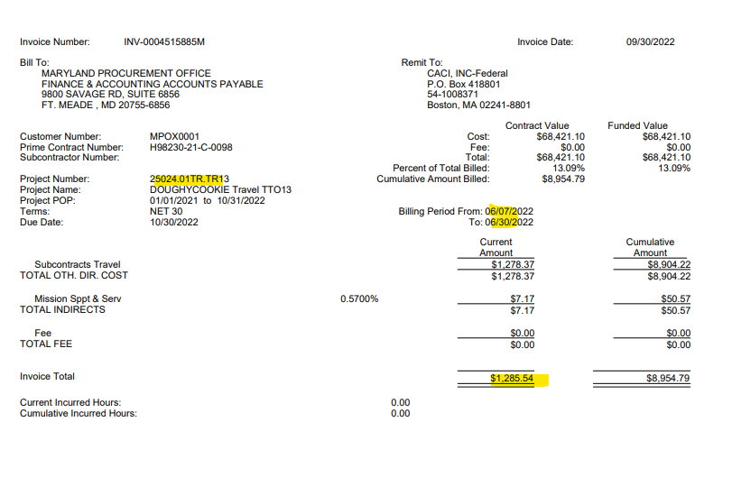
2016 | AH | 1.0 | NE | 421328.56 | TTO 2016 LABOR | ER | $421,328.56 | $- | $421,328.56 | $941,162.00 | $519,833.44 | LABOR | 2025-05-01
2016 | AJ | 0 | NE | 0.00 | TTO 2016 LABOR | PG | $0.00 | $- | $- | $115,429.87 | $115,429.87 | LABOR | 2025-05-01
2016 | AJ | 0 | NE | 0.00 | TTO 2016 AWARD FEE | PG | $0.00 | $- | $- | $142,434.14 | $142,434.14 | AWARD FEE | 2025-05-01
2017 | AA | 0 | NE | 0.00 | TTO 2017 LABOR | ET | $0.00 | $143,963.98 | $143,963.98 | $143,963.98 | $- | LABOR | 2025-05-01
2017 | AB | 0 | NE | 0.00 | TTO 2017 LABOR | ER | $0.00 | $52,596.24 | $52,596.24 | $52,596.24 | $- | LABOR | 2025-05-01
2017 | AB | 0 | NE | 0.00 | TTO 2017 AWARD FEE | ER | $0.00 | $- | $- | $38,522.44 | $38,522.44 | AWARD FEE | 2025-05-01
2017 | AC | 0 | NE | 0.00 | TTO 2017 LABOR | EU | $0.00 | $13,686.45 | $13,686.45 | $13,686.45 | $- | LABOR | 2025-05-01
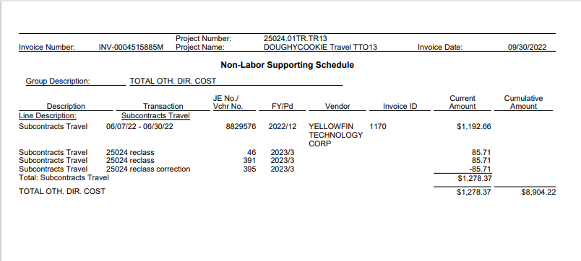
2017 | AC | 0 | NE | 0.00 | TTO 2017 TRAVEL | EU | $0.00 | $- | $- | $1,500.00 | $1,500.00 | TRAVEL | 2025-05-01
2017 | AD | 0 | NE | 0.00 | TTO 2017 LABOR | EV | $0.00 | $110,000.00 | $110,000.00 | $110,000.00 | $- | LABOR | 2025-05-01
2017 | AE | 0 | NE | 0.00 | TTO 2017 TRAVEL | ET | $0.00 | $- | $- | $40,000.00 | $40,000.00 | TRAVEL | 2025-05-01
2017 | AF | 0 | NE | 0.00 | TTO 2017 LABOR | ER | $0.00 | $479,426.47 | $479,426.47 | $479,426.47 | $- | LABOR | 2025-05-01
2017 | AF | 0 | NE | 0.00 | TTO 2017 AWARD FEE | ER | $0.00 | $- | $- | $69,741.96 | $69,741.96 | AWARD FEE | 2025-05-01
2017 | AG | 0 | NE | 0.00 | TTO 2017 LABOR | EU | $0.00 | $102,969.08 | $102,969.08 | $102,969.08 | $- | LABOR | 2025-05-01
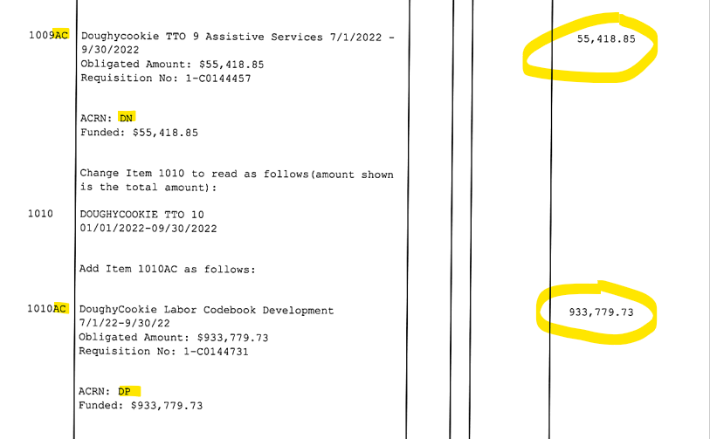
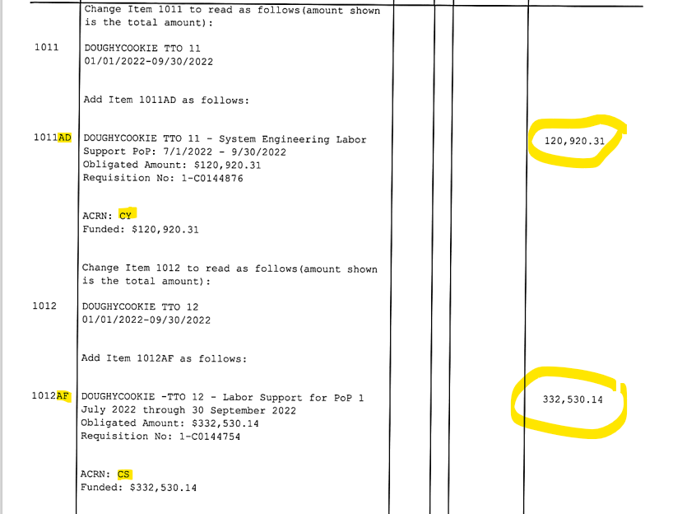
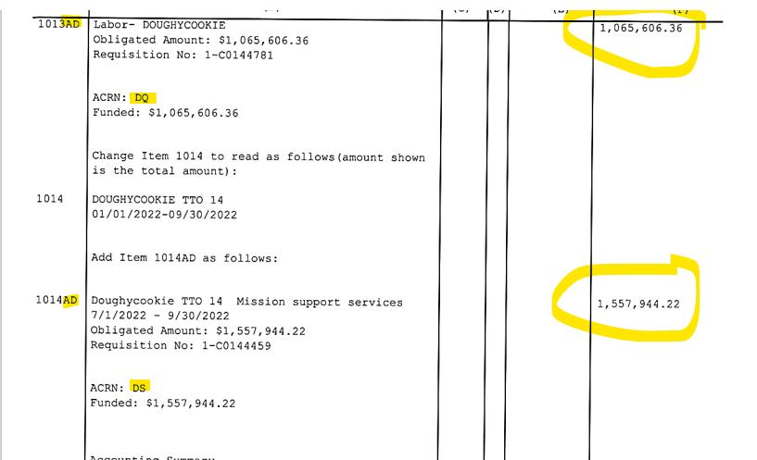
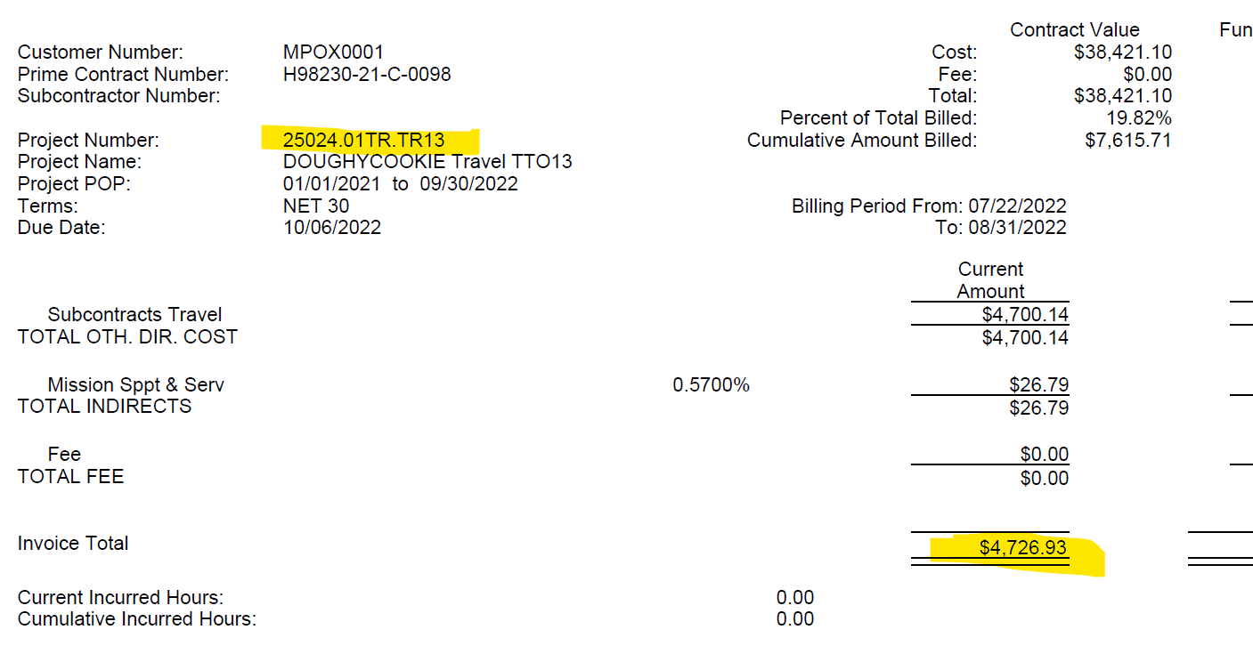
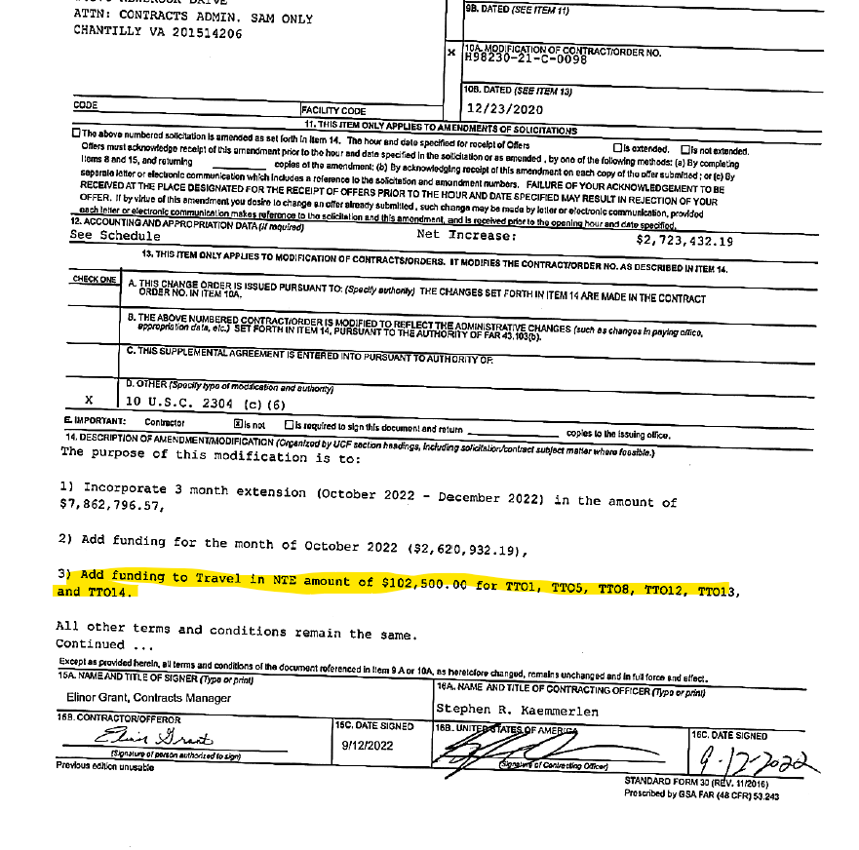
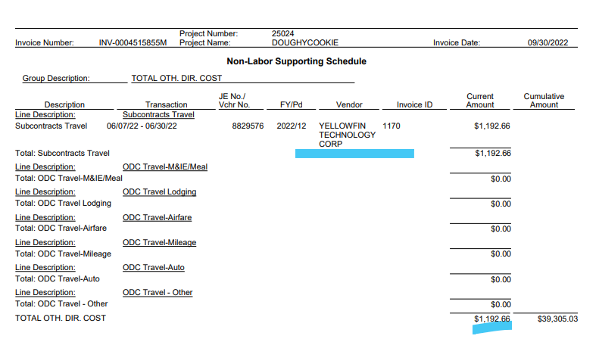
2017 | AH | 0 | NE | 0.00 | TTO 2017 LABOR | EU | $0.00 | $126,149.75 | $126,149.75 | $126,149.75 | $- | LABOR | 2025-05-01
2017 | AJ | 0 | NE | 0.00 | TTO 2017 LABOR | ER | $0.00 | $549,742.16 | $549,742.16 | $549,742.16 | $- | LABOR | 2025-05-01
2017 | AJ | 0 | NE | 0.00 | TTO 2017 AWARD FEE | ER | $0.00 | $- | $- | $81,006.60 | $81,006.60 | AWARD FEE | 2025-05-01
2017 | AK | 0 | NE | 0.00 | TTO 2017 LABOR | EU | $0.00 | $81,268.52 | $81,268.52 | $81,268.52 | $- | LABOR | 2025-05-01
2017 | AK | 0 | NE | 0.00 | TTO 2017 TRAVEL | EU | $0.00 | $- | $- | $3,610.07 | $3,610.07 | TRAVEL | 2025-05-01
2017 | AL | 1.0 | NE | 234765.80 | TTO 2017 LABOR | ER | $234,765.80 | $135,466.07 | $370,231.87 | $370,231.87 | $- | LABOR | 2025-05-01
2017 | AL | 0 | NE | 0.00 | TTO 2017 AWARD FEE | ER | $0.00 | $- | $- | $54,161.10 | $54,161.10 | AWARD FEE | 2025-05-01
2017 | AM | 1.0 | NE | 36957.00 | TTO 2017 LABOR | ER | $36,957.00 | $- | $36,957.00 | $36,957.00 | $- | LABOR | 2025-05-01
2017 | AN | 1.0 | NE | 99952.45 | TTO 2017 LABOR | EU | $99,952.45 | $- | $99,952.45 | $205,325.01 | $105,372.56 | LABOR | 2025-05-01
2017 | AN | 0 | NE | 0.00 | TTO 2017 AWARD FEE | EU | $0.00 | $- | $- | $87,236.97 | $87,236.97 | AWARD FEE | 2025-05-01
2017 | AP | 0 | NE | 0.00 | TTO 2017 LABOR | EU | $0.00 | $- | $- | $275,109.45 | $275,109.45 | LABOR | 2025-05-01
2017 | AQ | 0 | NE | 0.00 | TTO 2017 LABOR | PH | $0.00 | $- | $- | $97,520.65 | $97,520.65 | LABOR | 2025-05-01
2018 | AA | 0 | NE | 0.00 | TTO 2018 LABOR | EW | $0.00 | $138,516.94 | $138,516.94 | $138,516.94 | $- | LABOR | 2025-05-01
2018 | AB | 0 | NE | 0.00 | TTO 2018 LABOR | EX | $0.00 | $135,491.42 | $135,491.42 | $135,491.42 | $- | LABOR | 2025-05-01
2018 | AB | 0 | NE | 0.00 | TTO 2018 AWARD FEE | EX | $0.00 | $- | $- | $141,542.46 | $141,542.46 | AWARD FEE | 2025-05-01
2018 | AC | 0 | NE | 0.00 | TTO 2018 LABOR | EY | $0.00 | $633,220.29 | $633,220.29 | $633,220.29 | $- | LABOR | 2025-05-01
2018 | AD | 0 | NE | 0.00 | TTO 2018 LABOR | EZ | $0.00 | $97,440.67 | $97,440.67 | $97,440.67 | $- | LABOR | 2025-05-01
2018 | AD | 0 | NE | 0.00 | TTO 2018 TRAVEL | EZ | $0.00 | $- | $- | $1,500.00 | $1,500.00 | TRAVEL | 2025-05-01
2018 | AE | 0 | NE | 0.00 | TTO 2018 LABOR | EX | $0.00 | $19,788.13 | $19,788.13 | $19,788.13 | $- | LABOR | 2025-05-01
2018 | AF | 0 | NE | 0.00 | TTO 2018 LABOR | EW | $0.00 | $158,305.07 | $158,305.07 | $158,305.07 | $- | LABOR | 2025-05-01
2018 | AG | 0 | NE | 0.00 | TTO 2018 LABOR | EX | $0.00 | $38,549.04 | $38,549.04 | $38,549.04 | $- | LABOR | 2025-05-01
2018 | AH | 0 | NE | 0.00 | TTO 2018 LABOR | EY | $0.00 | $886,628.02 | $886,628.02 | $886,628.02 | $- | LABOR | 2025-05-01
2018 | AJ | 0 | NE | 0.00 | TTO 2018 LABOR | EW | $0.00 | $154,196.18 | $154,196.18 | $154,196.18 | $- | LABOR | 2025-05-01
2018 | AK | 0 | NE | 0.00 | TTO 2018 LABOR | EX | $0.00 | $114,144.62 | $114,144.62 | $114,144.62 | $- | LABOR | 2025-05-01
2018 | AK | 0 | NE | 0.00 | TTO 2018 AWARD FEE | EX | $0.00 | $- | $- | $194,247.73 | $194,247.73 | AWARD FEE | 2025-05-01
2018 | AL | 0 | NE | 0.00 | TTO 2018 LABOR | EZ | $0.00 | $154,196.18 | $154,196.18 | $154,196.18 | $- | LABOR | 2025-05-01
2018 | AM | 0 | NE | 0.00 | TTO 2018 LABOR | EW | $0.00 | $269,843.31 | $269,843.31 | $269,843.31 | $- | LABOR | 2025-05-01
2018 | AN | 0 | NE | 0.00 | TTO 2018 LABOR | EY | $0.00 | $580,458.73 | $580,458.73 | $580,458.73 | $- | LABOR | 2025-05-01
2018 | AP | 0 | NE | 0.00 | TTO 2018 LABOR | EW | $0.00 | $107,492.36 | $107,492.36 | $107,492.36 | $- | LABOR | 2025-05-01
2018 | AQ | 0 | NE | 0.00 | TTO 2018 LABOR | EW | $0.00 | $150,489.30 | $150,489.30 | $150,489.30 | $- | LABOR | 2025-05-01
2018 | AR | 0 | NE | 0.00 | TTO 2018 LABOR | EX | $0.00 | $145,939.83 | $145,939.83 | $145,939.83 | $- | LABOR | 2025-05-01
2018 | AR | 0 | NE | 0.00 | TTO 2018 AWARD FEE | EX | $0.00 | $- | $- | $133,540.30 | $133,540.30 | AWARD FEE | 2025-05-01
2018 | AS | 0 | NE | 0.00 | TTO 2018 LABOR | EZ | $0.00 | $107,492.36 | $107,492.36 | $107,492.36 | $- | LABOR | 2025-05-01
2018 | AT | 0 | NE | 0.00 | TTO 2018 LABOR | EX | $0.00 | $21,498.47 | $21,498.47 | $21,498.47 | $- | LABOR | 2025-05-01
2018 | AU | 0 | NE | 0.00 | TTO 2018 LABOR | EZ | $0.00 | $144,465.30 | $144,465.30 | $144,465.30 | $- | LABOR | 2025-05-01
2018 | AV | 0 | NE | 0.00 | TTO 2018 LABOR | EX | $0.00 | $28,823.65 | $28,823.65 | $28,823.65 | $- | LABOR | 2025-05-01
2018 | AV | 0 | NE | 0.00 | TTO 2018 TRAVEL | EX | $0.00 | $- | $- | $69.41 | $69.41 | TRAVEL | 2025-05-01
2018 | AW | 0 | NE | 0.00 | TTO 2018 LABOR | EW | $0.00 | $231,144.49 | $231,144.49 | $231,144.49 | $- | LABOR | 2025-05-01
2018 | AX | 0 | NE | 0.00 | TTO 2018 LABOR | EW | $0.00 | $202,251.43 | $202,251.43 | $202,251.43 | $- | LABOR | 2025-05-01
2018 | AY | 1.0 | NE | 19170.72 | TTO 2018 LABOR | EW | $19,170.72 | $142,533.98 | $161,704.70 | $161,704.70 | $- | LABOR | 2025-05-01
2018 | AY | 0 | NE | 0.00 | TTO 2018 AWARD FEE | EW | $0.00 | $- | $- | $207,429.51 | $207,429.51 | AWARD FEE | 2025-05-01
2018 | AZ | 1.0 | NE | 42731.49 | TTO 2018 LABOR | EX | $42,731.49 | $- | $42,731.49 | $42,731.49 | $- | LABOR | 2025-05-01
2018 | BA | 1.0 | NE | 361771.35 | TTO 2018 LABOR | LT | $361,771.35 | $- | $361,771.35 | $361,771.35 | $- | LABOR | 2025-05-01
2018 | BB | 1.0 | NE | 555443.74 | TTO 2018 LABOR | EY | $555,443.74 | $- | $555,443.74 | $555,443.74 | $- | LABOR | 2025-05-01
2018 | BC | 1.0 | NE | 108884.99 | TTO 2018 LABOR | EW | $108,884.99 | $- | $108,884.99 | $462,249.74 | $353,364.75 | LABOR | 2025-05-01
2018 | BD |  | NE | 0.00 | TTO 2018 LABOR | EZ | $0.00 | $- | $- | $252,262.22 | $252,262.22 | LABOR | 2025-05-01
2018 | BE |  | NE | 0.00 | TTO 2018 LABOR | EX | $0.00 | $- | $- | $64,955.65 | $64,955.65 | LABOR | 2025-05-01
2018 | BF |  | NE | 0.00 | TTO 2018 LABOR | EW | $0.00 | $- | $- | $518,145.32 | $518,145.32 | LABOR | 2025-05-01
2018 | BF |  | NE | 0.00 | TTO 2018 TRAVEL | EW | $0.00 | $- | $- | $1,500.00 | $1,500.00 | TRAVEL | 2025-05-01
2018 | BG |  | NE | 0.00 | TTO 2018 LABOR | EW | $0.00 | $- | $- | $1,601,330.74 | $1,601,330.74 | LABOR | 2025-05-01
2018 | BG |  | NE | 0.00 | TTO 2018 AWARD FEE | EW | $0.00 | $- | $- | $477,250.06 | $477,250.06 | AWARD FEE | 2025-05-01
2018 | BH |  | NE | 0.00 | TTO 2018 LABOR | LT | $0.00 | $- | $- | $779,467.80 | $779,467.80 | LABOR | 2025-05-01
2019 | AA | 0 | NE | 0.00 | TTO 2019 LABOR | ER | $0.00 | $626,942.44 | $626,942.44 | $626,942.44 | $- | LABOR | 2025-05-01
2019 | AB | 0 | NE | 0.00 | TTO 2019 LABOR | GW | $0.00 | $8,151.13 | $8,151.13 | $8,151.13 | $- | LABOR | 2025-05-01
2019 | AB | 0 | NE | 0.00 | TTO 2019 AWARD FEE | GW | $0.00 | $- | $- | $81,412.08 | $81,412.08 | AWARD FEE | 2025-05-01
2019 | AC | 0 | NE | 0.00 | TTO 2019 LABOR | GX | $0.00 | $44,481.60 | $44,481.60 | $44,481.60 | $- | LABOR | 2025-05-01
2019 | AC | 0 | NE | 0.00 | TTO 2019 TRAVEL | GX | $0.00 | $- | $- | $300.00 | $300.00 | TRAVEL | 2025-05-01
2019 | AD | 0 | NE | 0.00 | TTO 2019 LABOR | JR | $0.00 | $189,293.36 | $189,293.36 | $189,293.36 | $- | LABOR | 2025-05-01
2019 | AE | 0 | NE | 0.00 | TTO 2019 LABOR | GX | $0.00 | $53,114.18 | $53,114.18 | $53,114.18 | $- | LABOR | 2025-05-01
2019 | AF | 0 | NE | 0.00 | TTO 2019 LABOR | GW | $0.00 | $20,856.72 | $20,856.72 | $20,856.72 | $- | LABOR | 2025-05-01
2019 | AF | 0 | NE | 0.00 | TTO 2019 AWARD FEE | GW | $0.00 | $- | $- | $85,371.65 | $85,371.65 | AWARD FEE | 2025-05-01
2019 | AG | 0 | NE | 0.00 | TTO 2019 LABOR | ER | $0.00 | $448,076.83 | $448,076.83 | $448,076.83 | $- | LABOR | 2025-05-01
2019 | AH | 0 | NE | 0.00 | TTO 2019 LABOR | GX | $0.00 | $30,424.95 | $30,424.95 | $30,424.95 | $- | LABOR | 2025-05-01
2019 | AJ | 1.0 | NE | 92653.29 | TTO 2019 LABOR | ER | $92,653.29 | $277,881.41 | $370,534.70 | $370,534.70 | $- | LABOR | 2025-05-01
2019 | AJ | 0 | NE | 0.00 | TTO 2019 AWARD FEE | ER | $0.00 | $- | $- | $55,414.63 | $55,414.63 | AWARD FEE | 2025-05-01
2019 | AK | 1.0 | NE | 60849.90 | TTO 2019 LABOR | GW | $60,849.90 | $- | $60,849.90 | $60,849.90 | $- | LABOR | 2025-05-01
2019 | AL |  | NE | 0.00 | TTO 2019 LABOR | PG | $0.00 | $- | $- | $21,026.88 | $21,026.88 | LABOR | 2025-05-01
2019 | AM |  | NE | 216041.36 | TTO 2019 LABOR | ER | $216,041.36 | $- | $216,041.36 | $255,377.00 | $39,335.64 | LABOR | 2025-05-01
2019 | AN |  | NE | 0.00 | TTO 2019 LABOR | PJ | $0.00 | $- | $- | $129,757.56 | $129,757.56 | LABOR | 2025-05-01
2019 | AP |  | NE | 0.00 | TTO 2019 LABOR | GW | $0.00 | $- | $- | $119,954.32 | $119,954.32 | LABOR | 2025-05-01
2019 | AP |  | NE | 0.00 | TTO 2019 TRAVEL | GW | $0.00 | $- | $- | $500.00 | $500.00 | TRAVEL | 2025-05-01
2019 | AP |  | NE | 0.00 | TTO 2019 AWARD FEE | GW | $0.00 | $- | $- | $81,173.05 | $81,173.05 | AWARD FEE | 2025-05-01
2019 | AQ |  | NE | 0.00 | TTO 2019 LABOR | GX | $0.00 | $- | $- | $89,192.72 | $89,192.72 | LABOR | 2025-05-01
2020 | AA | 0 | NE | 0.00 | TTO 2020 LABOR | FA | $0.00 | $447,908.96 | $447,908.96 | $447,908.96 | $- | LABOR | 2025-05-01
2020 | AB | 0 | NE | 0.00 | TTO 2020 LABOR | EY | $0.00 | $4,277.88 | $4,277.88 | $4,277.88 | $- | LABOR | 2025-05-01
...

